1. Title Page
Grocery Basket Analysis

Project Name: Instacart Grocery Basket Analysis
Date: March 2023
Analyst Name: Ana Renahan

Contents:
Population Flow
Consistency checks
Missing values overview
Wrangling steps
Column derivations
Visualizations
Recommendations

Data Citation:
“The Instacart Online Grocery Shopping Dataset 2017”, Accessed from https://www.instacart.com/datasets/grocery-shopping-2017 on 03/13/2023.
Note: The customer data and the “prices” column in the products data set were both fabricated for the purpose of this project.

(For customer profiling)
"Where Do I Fall in the American Economic Class System?", Accessed from https://money.usnews.com/money/personal-finance/family-finance/articles/where-do-i-fall-in-the-american-economic-class-system on 04/06/2023
"Generations defined by name, birth year, and ages in 2023" , Accessed from https://www.beresfordresearch.com/age-range-by-generation/ on 04/06/2023

2. Population Flow
Title page

Population flow

Exclusion flag
Condition: max_order < 5
Obervations to be removed: 1,440,045
Final total count of order_products_all_flagged: 30,959,687

Orders_products_combined
Orders_products_merged
Orders_products_all

Total: 32,434,489
Total: 32,399,732
Total: 32,399,732

1.) The grey boxes in the first row of the population flow represent the original data sets as they were when you downloaded them. In the Total fields you need to add the count of the rows when you imported the data set into Jupyter.
2.) The second row of boxes (coloured) represents the data sets after you manipulated them, e.g., removed missing values and duplicates. In the Total fields you need to add the count of the rows after conducting these operations. This offers a visual oveview of how the data flows throughout the data consistency checks.
3.) The third row, where also the arrows are coloured, represents the merges you performed between the datasets. In the Total fields you need to add the count of the rows in the merged datasets, so that you end up with the final dataset (in the red box). Keep in mind the final dataset should be without exclusions (based on the exclusion flag).

3. Consistency checks
 |  |  |  |  |  | Title page
Consistency checks

Dataset | Missing values | Missing values treatment | Duplicates Count | Duplicates treatment | Script + Step
orders | 'days_since_last_order' 206,209 missing values | No action needed, missing value indicates customer's first order (exported with 'orders_checked.csv') |  |  | Script 4.5 + Step 5
products | 'product_name' 16 missing values | Created a new subset for df_prods to exclude null values in 'product_name' column (exported with 'products_checked.csv') |  |  | Script 4.5 + Step 1.3
products | 'prices' 2 products with incorrect prices | Created a new subset to exclude products with incorrect pricing (exported with 'products_checked.csv') |  |  | Script 4.5 + Step 2.a
products |  |  | 5 duplicates | Created a new subset for df_prods_clean that excludes duplicates (exported with 'products_checked.csv') | Script 4.5 + Step 1.4

3a. Missing values overview
Note 1: The following records came back with no product name (see yellow highlight). They have been omitted from this analysis, but can be included if information is provided.
(index) | product_id | product_name | aisle_id | department_id | prices
33 | 34 |  | 121 | 14 | 12.2
68 | 69 |  | 26 | 7 | 11.8
115 | 116 |  | 93 | 3 | 10.8
261 | 262 |  | 110 | 13 | 12.1
525 | 525 |  | 109 | 11 | 1.2
1511 | 1511 |  | 84 | 16 | 14.3
1780 | 1780 |  | 126 | 11 | 12.3
2240 | 2240 |  | 52 | 1 | 14.2
2586 | 2586 |  | 104 | 13 | 12.4
3159 | 3159 |  | 126 | 11 | 13.1
3230 | 3230 |  | 120 | 16 | 14.4
3736 | 3736 |  | 41 | 8 | 14.8
4283 | 4283 |  | 77 | 7 | 14.4
4790 | 4790 |  | 91 | 16 | 14.5
38187 | 38183 |  | 39 | 12 | 20.9
40444 | 40440 |  | 120 | 16 | 14.8

Note 2: The following records came back product prices that seem to be wrong (see orange highlight). All records referring to this data have been omitted from this analysis, but can be included if correct pricing is provided.
(index) | product_id | product_name | aisle_id | department_id | prices
21554 | 21553 | Lowfat 2% Milkfat Cottage Cheese | 108 | 16 | 14900
33666 | 33664 | 2 % Reduced Fat Milk | 84 | 16 | 99999

Note 3: The table below confirms that the NaN values associted with the column "days_since_last_order" column correlate with first time orders (see green highlight). This supports our initial assumption about missing values and means we can safely disregard them.
days_since_last_order | 1 | 2 | 3 | 4 | 5 | 6 | 7 | 8 | 9 | 10 | 11 | 12 | 13 | 14 | 15 | 16 | 17 | 18 | 19 | 20 | 21 | 22 | 23 | 24 | 25 | 26 | 27 | 28 | 29 | 30 | 31 | 32 | 33 | 34 | 35 | 36 | 37 | 38 | 39 | 40 | 41 | 42 | 43 | 44 | 45 | 46 | 47 | 48 | 49 | 50 | 51 | 52 | 53 | 54 | 55 | 56 | 57 | 58 | 59 | 60 | 61 | 62 | 63 | 64 | 65 | 66 | 67 | 68 | 69 | 70 | 71 | 72 | 73 | 74 | 75 | 76 | 77 | 78 | 79 | 80 | 81 | 82 | 83 | 84 | 85 | 86 | 87 | 88 | 89 | 90 | 91 | 92 | 93 | 94 | 95 | 96 | 97 | 98 | 99 | 100
0 | 0 | 2899 | 2915 | 2964 | 2634 | 2443 | 2236 | 2101 | 1972 | 1782 | 1815 | 1567 | 1460 | 1383 | 1355 | 1264 | 1210 | 1225 | 1100 | 1037 | 1092 | 999 | 948 | 932 | 918 | 841 | 890 | 806 | 812 | 785 | 710 | 749 | 685 | 678 | 680 | 659 | 636 | 603 | 581 | 592 | 623 | 551 | 538 | 542 | 478 | 516 | 489 | 452 | 456 | 402 | 396 | 432 | 400 | 366 | 355 | 362 | 347 | 338 | 324 | 352 | 308 | 334 | 297 | 293 | 253 | 310 | 277 | 265 | 242 | 240 | 243 | 232 | 235 | 219 | 195 | 229 | 227 | 190 | 188 | 167 | 183 | 180 | 171 | 174 | 173 | 179 | 168 | 174 | 154 | 153 | 156 | 154 | 125 | 151 | 151 | 153 | 120 | 144 | 134 | 137
1 | 0 | 4822 | 4613 | 4690 | 4423 | 4047 | 4000 | 3744 | 3503 | 3358 | 3316 | 3120 | 3036 | 2929 | 2882 | 2828 | 2654 | 2545 | 2456 | 2435 | 2385 | 2163 | 2105 | 2081 | 2035 | 2000 | 1987 | 1866 | 1884 | 1850 | 1792 | 1762 | 1669 | 1613 | 1550 | 1460 | 1505 | 1459 | 1476 | 1420 | 1365 | 1355 | 1304 | 1300 | 1293 | 1247 | 1232 | 1206 | 1157 | 1117 | 1157 | 1034 | 1014 | 1037 | 1011 | 947 | 917 | 922 | 898 | 848 | 823 | 847 | 775 | 806 | 746 | 716 | 724 | 648 | 659 | 664 | 630 | 637 | 591 | 627 | 590 | 562 | 571 | 566 | 530 | 565 | 494 | 492 | 496 | 477 | 447 | 458 | 435 | 412 | 432 | 406 | 397 | 396 | 373 | 359 | 366 | 330 | 356 | 360 | 339 | 321
2 | 0 | 6203 | 6209 | 6231 | 5789 | 5679 | 5274 | 5090 | 4914 | 4705 | 4536 | 4362 | 4247 | 4089 | 3936 | 3746 | 3674 | 3522 | 3475 | 3249 | 3192 | 3197 | 3080 | 2982 | 2891 | 2863 | 2718 | 2637 | 2532 | 2566 | 2411 | 2361 | 2294 | 2308 | 2181 | 2141 | 2132 | 2054 | 1990 | 1905 | 1871 | 1840 | 1727 | 1671 | 1627 | 1647 | 1529 | 1616 | 1513 | 1423 | 1427 | 1354 | 1318 | 1288 | 1249 | 1193 | 1181 | 1143 | 1083 | 1081 | 1091 | 1005 | 1019 | 980 | 938 | 941 | 852 | 887 | 852 | 823 | 820 | 782 | 754 | 718 | 705 | 698 | 653 | 630 | 614 | 577 | 590 | 544 | 545 | 552 | 515 | 475 | 474 | 495 | 422 | 430 | 416 | 405 | 407 | 389 | 359 | 351 | 359 | 346 | 318 | 329
3 | 0 | 7411 | 7577 | 7414 | 7097 | 6770 | 6424 | 6078 | 5750 | 5663 | 5456 | 5216 | 4994 | 4822 | 4584 | 4534 | 4336 | 4154 | 4070 | 3836 | 3812 | 3735 | 3594 | 3473 | 3395 | 3257 | 3079 | 3136 | 2976 | 2737 | 2749 | 2764 | 2662 | 2521 | 2431 | 2403 | 2284 | 2276 | 2161 | 2272 | 2020 | 1989 | 1940 | 1875 | 1802 | 1756 | 1694 | 1661 | 1549 | 1627 | 1484 | 1517 | 1412 | 1329 | 1269 | 1278 | 1202 | 1157 | 1169 | 1038 | 1096 | 1030 | 982 | 980 | 898 | 838 | 857 | 785 | 831 | 746 | 709 | 695 | 668 | 673 | 641 | 610 | 578 | 573 | 560 | 523 | 527 | 494 | 447 | 430 | 444 | 426 | 417 | 360 | 382 | 357 | 345 | 287 | 330 | 294 | 291 | 292 | 254 | 221 | 240 | 223
4 | 0 | 8415 | 8476 | 8469 | 8029 | 7608 | 7092 | 6735 | 6534 | 6395 | 6080 | 5741 | 5406 | 5192 | 5010 | 4840 | 4595 | 4490 | 4276 | 4083 | 3928 | 3949 | 3857 | 3556 | 3617 | 3356 | 3213 | 3137 | 2966 | 2854 | 2782 | 2647 | 2512 | 2585 | 2473 | 2355 | 2309 | 2202 | 2178 | 1978 | 1965 | 1924 | 1894 | 1872 | 1746 | 1658 | 1591 | 1555 | 1511 | 1398 | 1349 | 1256 | 1254 | 1217 | 1126 | 1133 | 1146 | 1014 | 976 | 986 | 884 | 867 | 830 | 730 | 771 | 720 | 687 | 633 | 603 | 634 | 620 | 550 | 542 | 501 | 517 | 436 | 460 | 428 | 410 | 425 | 377 | 384 | 332 | 291 | 301 | 281 | 278 | 268 | 263 | 253 | 221 | 238 | 225 | 191 | 193 | 185 | 183 | 170 | 170 | 153
5 | 0 | 9216 | 9329 | 9220 | 8600 | 8228 | 7703 | 7270 | 6828 | 6563 | 6148 | 5773 | 5581 | 5419 | 5046 | 4884 | 4816 | 4562 | 4355 | 4210 | 4067 | 3812 | 3579 | 3677 | 3439 | 3198 | 3186 | 2996 | 2873 | 2819 | 2775 | 2541 | 2520 | 2320 | 2236 | 2126 | 2065 | 1927 | 1914 | 1897 | 1777 | 1695 | 1582 | 1512 | 1483 | 1408 | 1338 | 1264 | 1242 | 1131 | 1100 | 1070 | 1025 | 980 | 931 | 847 | 849 | 792 | 711 | 695 | 635 | 598 | 599 | 555 | 523 | 516 | 454 | 506 | 463 | 412 | 391 | 393 | 350 | 343 | 321 | 306 | 243 | 264 | 251 | 254 | 231 | 236 | 188 | 192 | 216 | 193 | 170 | 155 | 142 | 162 | 142 | 128 | 105 | 119 | 119 | 120 | 100 | 95 | 82 | 81
6 | 0 | 11419 | 11701 | 11601 | 10771 | 10054 | 9521 | 8842 | 8527 | 7727 | 7628 | 7210 | 6661 | 6337 | 6121 | 5714 | 5487 | 5228 | 5030 | 4839 | 4647 | 4326 | 4207 | 3879 | 3650 | 3615 | 3374 | 3260 | 3108 | 2981 | 2810 | 2745 | 2598 | 2524 | 2384 | 2309 | 2135 | 2054 | 1989 | 1855 | 1766 | 1642 | 1563 | 1552 | 1492 | 1321 | 1264 | 1109 | 1124 | 1047 | 1002 | 880 | 864 | 777 | 779 | 728 | 636 | 594 | 587 | 566 | 504 | 455 | 472 | 417 | 434 | 370 | 364 | 322 | 327 | 296 | 274 | 233 | 248 | 234 | 203 | 176 | 205 | 174 | 161 | 154 | 152 | 128 | 134 | 140 | 120 | 112 | 97 | 104 | 92 | 78 | 77 | 91 | 86 | 82 | 67 | 59 | 58 | 50 | 58 | 44
7 | 0 | 16788 | 16609 | 16341 | 15135 | 13834 | 13268 | 12452 | 11612 | 10980 | 10159 | 9735 | 9462 | 8802 | 8298 | 7995 | 7428 | 7143 | 6771 | 6489 | 6224 | 5896 | 5698 | 5300 | 5057 | 4829 | 4517 | 4311 | 4236 | 4010 | 3713 | 3566 | 3363 | 3160 | 2976 | 2888 | 2777 | 2666 | 2430 | 2361 | 2285 | 2152 | 2025 | 1802 | 1721 | 1651 | 1577 | 1463 | 1329 | 1270 | 1158 | 1131 | 956 | 894 | 787 | 666 | 645 | 574 | 570 | 506 | 455 | 437 | 376 | 336 | 332 | 328 | 299 | 262 | 228 | 215 | 212 | 216 | 197 | 168 | 158 | 166 | 156 | 137 | 126 | 101 | 98 | 104 | 100 | 92 | 83 | 73 | 68 | 66 | 70 | 70 | 60 | 56 | 48 | 56 | 36 | 37 | 37 | 41 | 32 | 35
8 | 0 | 10422 | 10304 | 10148 | 9378 | 8738 | 8068 | 7594 | 6894 | 6511 | 6148 | 5801 | 5416 | 5125 | 4893 | 4484 | 4200 | 4026 | 3793 | 3680 | 3348 | 3282 | 2967 | 2892 | 2702 | 2583 | 2415 | 2352 | 2121 | 2017 | 1937 | 1759 | 1723 | 1533 | 1537 | 1426 | 1392 | 1301 | 1213 | 1123 | 1055 | 996 | 940 | 851 | 819 | 750 | 693 | 649 | 628 | 593 | 525 | 459 | 448 | 380 | 336 | 333 | 275 | 275 | 257 | 235 | 233 | 221 | 181 | 163 | 162 | 134 | 118 | 130 | 117 | 122 | 96 | 99 | 102 | 89 | 79 | 70 | 74 | 68 | 71 | 51 | 49 | 36 | 52 | 57 | 25 | 34 | 31 | 38 | 37 | 22 | 29 | 22 | 24 | 26 | 23 | 30 | 18 | 16 | 12 | 13
9 | 0 | 7053 | 7160 | 7013 | 6610 | 5993 | 5497 | 5082 | 4760 | 4404 | 4154 | 3776 | 3670 | 3422 | 3167 | 2978 | 2761 | 2566 | 2502 | 2285 | 2156 | 1964 | 1955 | 1812 | 1654 | 1520 | 1541 | 1431 | 1332 | 1246 | 1158 | 1128 | 1040 | 934 | 949 | 836 | 757 | 739 | 658 | 662 | 590 | 543 | 513 | 499 | 441 | 387 | 381 | 310 | 311 | 311 | 267 | 237 | 224 | 224 | 202 | 178 | 168 | 167 | 153 | 146 | 126 | 99 | 94 | 98 | 97 | 76 | 92 | 83 | 58 | 57 | 47 | 46 | 39 | 58 | 40 | 41 | 34 | 40 | 38 | 31 | 27 | 27 | 34 | 25 | 11 | 21 | 18 | 19 | 27 | 15 | 12 | 8 | 14 | 12 | 8 | 6 | 7 | 8 | 7 | 11
10 | 0 | 5969 | 6037 | 5938 | 5376 | 5018 | 4479 | 4245 | 3844 | 3531 | 3403 | 3237 | 2963 | 2834 | 2517 | 2329 | 2268 | 2032 | 1916 | 1832 | 1676 | 1514 | 1493 | 1405 | 1372 | 1265 | 1160 | 1035 | 994 | 946 | 903 | 827 | 792 | 721 | 674 | 629 | 589 | 553 | 535 | 431 | 451 | 433 | 363 | 341 | 325 | 315 | 295 | 273 | 208 | 222 | 211 | 189 | 182 | 149 | 144 | 128 | 135 | 107 | 99 | 92 | 92 | 69 | 71 | 76 | 83 | 61 | 61 | 55 | 42 | 43 | 30 | 46 | 50 | 34 | 46 | 32 | 27 | 30 | 20 | 24 | 19 | 16 | 27 | 22 | 22 | 16 | 19 | 9 | 15 | 6 | 9 | 20 | 10 | 6 | 11 | 1 | 7 | 4 | 4 | 7
11 | 0 | 5352 | 5388 | 5325 | 4718 | 4363 | 4087 | 3767 | 3429 | 3180 | 2941 | 2771 | 2540 | 2329 | 2194 | 2086 | 1946 | 1745 | 1604 | 1540 | 1363 | 1369 | 1147 | 1103 | 1011 | 1007 | 966 | 847 | 790 | 702 | 742 | 603 | 594 | 541 | 541 | 481 | 458 | 387 | 366 | 365 | 323 | 282 | 293 | 263 | 237 | 211 | 198 | 184 | 174 | 151 | 158 | 134 | 125 | 126 | 105 | 98 | 102 | 89 | 72 | 59 | 72 | 55 | 64 | 52 | 52 | 36 | 39 | 36 | 26 | 41 | 38 | 29 | 29 | 23 | 28 | 27 | 21 | 15 | 19 | 19 | 16 | 23 | 11 | 13 | 10 | 9 | 8 | 9 | 4 | 5 | 13 | 13 | 5 | 7 | 8 | 6 | 6 | 1 | 3 | 7
12 | 0 | 5206 | 5357 | 5348 | 4657 | 4333 | 3954 | 3568 | 3404 | 2941 | 2733 | 2613 | 2438 | 2185 | 2085 | 1943 | 1814 | 1591 | 1493 | 1429 | 1253 | 1178 | 1096 | 1039 | 949 | 835 | 780 | 724 | 681 | 642 | 597 | 553 | 496 | 455 | 459 | 430 | 373 | 371 | 328 | 299 | 285 | 246 | 230 | 207 | 199 | 194 | 169 | 142 | 139 | 142 | 120 | 128 | 101 | 94 | 69 | 71 | 67 | 66 | 67 | 66 | 42 | 45 | 52 | 36 | 40 | 43 | 32 | 35 | 38 | 22 | 28 | 25 | 25 | 22 | 20 | 20 | 9 | 19 | 16 | 11 | 14 | 7 | 11 | 11 | 14 | 5 | 8 | 7 | 8 | 6 | 4 | 5 | 4 | 5 | 6 | 5 | 5 | 1 | 5 | 3
13 | 0 | 6098 | 6265 | 6003 | 5520 | 4855 | 4480 | 4083 | 3708 | 3408 | 3199 | 2847 | 2646 | 2357 | 2230 | 2028 | 1943 | 1786 | 1581 | 1396 | 1407 | 1210 | 1148 | 1034 | 974 | 899 | 813 | 703 | 728 | 644 | 592 | 523 | 479 | 490 | 447 | 401 | 352 | 326 | 296 | 286 | 277 | 228 | 210 | 204 | 162 | 175 | 172 | 117 | 118 | 107 | 99 | 85 | 91 | 77 | 74 | 72 | 49 | 51 | 46 | 33 | 48 | 39 | 33 | 37 | 26 | 23 | 27 | 39 | 23 | 19 | 17 | 17 | 14 | 8 | 10 | 20 | 9 | 14 | 16 | 7 | 12 | 11 | 8 | 11 | 6 | 9 | 6 | 6 | 8 | 8 | 8 | 9 | 5 | 6 | 5 | 2 | 3 | 6 | 6 | 1
14 | 0 | 7680 | 7529 | 7577 | 6951 | 6004 | 5549 | 4976 | 4563 | 4187 | 3775 | 3471 | 3194 | 2922 | 2630 | 2482 | 2298 | 2107 | 1881 | 1759 | 1537 | 1439 | 1344 | 1235 | 1105 | 1053 | 981 | 878 | 762 | 747 | 694 | 596 | 561 | 503 | 438 | 441 | 413 | 332 | 328 | 257 | 265 | 216 | 239 | 219 | 184 | 172 | 164 | 144 | 118 | 109 | 100 | 65 | 85 | 65 | 65 | 80 | 69 | 64 | 59 | 42 | 42 | 35 | 36 | 36 | 19 | 19 | 34 | 27 | 26 | 21 | 20 | 26 | 18 | 15 | 8 | 13 | 14 | 13 | 9 | 6 | 7 | 7 | 9 | 6 | 7 | 4 | 5 | 6 | 2 | 3 | 1 | 3 | 12 | 3 | 3 | 3 | 4 | 2 | 1 | 2
15 | 0 | 5219 | 5121 | 5225 | 4588 | 4068 | 3670 | 3384 | 3046 | 2793 | 2566 | 2398 | 2109 | 1908 | 1761 | 1626 | 1478 | 1294 | 1223 | 1152 | 1002 | 996 | 843 | 767 | 755 | 616 | 611 | 575 | 499 | 488 | 396 | 391 | 353 | 307 | 281 | 258 | 240 | 242 | 196 | 188 | 151 | 178 | 154 | 138 | 123 | 97 | 97 | 101 | 76 | 95 | 50 | 50 | 46 | 59 | 50 | 42 | 30 | 36 | 35 | 25 | 21 | 23 | 23 | 23 | 11 | 19 | 12 | 10 | 15 | 12 | 14 | 9 | 11 | 9 | 7 | 11 | 4 | 5 | 6 | 5 | 4 | 3 | 9 | 7 | 7 | 5 | 3 | 1 | 1 | 4 | 3 | 3 | 2 | 1 | 3 | 2 | 2 | 1 | 1 | 1
16 | 0 | 3791 | 3794 | 3690 | 3316 | 2994 | 2665 | 2370 | 2269 | 2085 | 1815 | 1598 | 1462 | 1350 | 1220 | 1090 | 1008 | 983 | 851 | 754 | 694 | 645 | 559 | 571 | 492 | 432 | 356 | 367 | 342 | 262 | 249 | 253 | 228 | 205 | 181 | 187 | 161 | 150 | 127 | 119 | 97 | 87 | 87 | 76 | 88 | 66 | 72 | 71 | 48 | 60 | 42 | 42 | 38 | 34 | 42 | 28 | 25 | 24 | 19 | 16 | 11 | 7 | 12 | 10 | 14 | 7 | 9 | 5 | 5 | 6 | 11 | 7 | 10 | 6 | 9 | 3 | 6 | 4 | 6 | 2 | 5 | 5 | 3 | 2 | 4 | 2 | 4 | 2 | 1 | 2 | 1 | 1 | 0 | 2 | 0 | 3 | 2 | 3 | 1 | 1
17 | 0 | 3131 | 3241 | 3226 | 2823 | 2546 | 2152 | 2039 | 1791 | 1662 | 1498 | 1323 | 1276 | 1145 | 1024 | 944 | 846 | 820 | 729 | 636 | 566 | 544 | 497 | 444 | 370 | 367 | 329 | 280 | 257 | 208 | 205 | 194 | 197 | 165 | 160 | 142 | 118 | 103 | 107 | 88 | 112 | 87 | 65 | 69 | 58 | 56 | 54 | 48 | 44 | 32 | 38 | 33 | 30 | 23 | 32 | 17 | 18 | 25 | 15 | 10 | 18 | 14 | 13 | 19 | 6 | 5 | 6 | 10 | 8 | 6 | 5 | 7 | 4 | 3 | 9 | 3 | 3 | 3 | 2 | 3 | 3 | 7 | 1 | 1 | 3 | 2 | 4 | 1 | 2 | 2 | 0 | 4 | 1 | 1 | 1 | 2 | 2 | 0 | 2 | 0
18 | 0 | 3041 | 2971 | 2904 | 2660 | 2337 | 2078 | 1850 | 1730 | 1531 | 1399 | 1291 | 1145 | 1042 | 921 | 823 | 738 | 727 | 656 | 596 | 495 | 453 | 385 | 370 | 350 | 302 | 277 | 247 | 212 | 205 | 191 | 191 | 172 | 135 | 154 | 136 | 90 | 95 | 95 | 76 | 80 | 69 | 64 | 57 | 39 | 43 | 40 | 32 | 39 | 31 | 28 | 28 | 21 | 19 | 21 | 18 | 10 | 9 | 19 | 18 | 11 | 11 | 7 | 8 | 3 | 10 | 5 | 9 | 7 | 4 | 3 | 2 | 4 | 0 | 1 | 2 | 4 | 1 | 7 | 1 | 6 | 1 | 1 | 2 | 3 | 0 | 3 | 0 | 2 | 0 | 1 | 1 | 0 | 2 | 0 | 1 | 0 | 0 | 2 | 0
19 | 0 | 2861 | 2999 | 2877 | 2579 | 2359 | 2081 | 1872 | 1621 | 1469 | 1343 | 1190 | 1116 | 966 | 878 | 770 | 687 | 658 | 612 | 486 | 478 | 456 | 390 | 338 | 314 | 258 | 235 | 237 | 223 | 172 | 177 | 167 | 135 | 152 | 121 | 116 | 78 | 80 | 71 | 47 | 55 | 62 | 56 | 45 | 42 | 36 | 35 | 44 | 30 | 28 | 34 | 30 | 16 | 20 | 15 | 17 | 6 | 13 | 7 | 8 | 10 | 3 | 7 | 8 | 6 | 9 | 1 | 5 | 3 | 7 | 6 | 5 | 2 | 3 | 5 | 3 | 3 | 5 | 1 | 3 | 1 | 0 | 5 | 0 | 2 | 2 | 2 | 1 | 0 | 0 | 2 | 0 | 0 | 0 | 1 | 2 | 2 | 0 | 0 | 1
20 | 0 | 3411 | 3380 | 3427 | 2953 | 2593 | 2355 | 2113 | 1810 | 1677 | 1418 | 1365 | 1178 | 1080 | 974 | 885 | 766 | 696 | 643 | 594 | 522 | 451 | 417 | 349 | 305 | 297 | 265 | 207 | 219 | 225 | 178 | 163 | 146 | 151 | 136 | 107 | 93 | 83 | 93 | 68 | 65 | 58 | 53 | 47 | 46 | 36 | 38 | 36 | 25 | 29 | 24 | 27 | 17 | 17 | 17 | 15 | 12 | 18 | 10 | 8 | 8 | 10 | 3 | 8 | 9 | 13 | 10 | 5 | 1 | 2 | 0 | 5 | 3 | 3 | 5 | 3 | 3 | 2 | 3 | 5 | 4 | 6 | 7 | 1 | 1 | 2 | 1 | 3 | 1 | 2 | 4 | 1 | 0 | 1 | 0 | 0 | 0 | 0 | 0 | 1
21 | 0 | 4258 | 4205 | 4067 | 3459 | 3263 | 2801 | 2429 | 2205 | 2021 | 1720 | 1566 | 1362 | 1235 | 1112 | 978 | 870 | 801 | 706 | 645 | 611 | 478 | 469 | 422 | 378 | 365 | 291 | 261 | 250 | 242 | 191 | 170 | 157 | 176 | 137 | 122 | 103 | 98 | 76 | 74 | 69 | 55 | 45 | 43 | 51 | 41 | 39 | 34 | 39 | 26 | 19 | 13 | 20 | 16 | 18 | 21 | 15 | 11 | 6 | 9 | 9 | 8 | 3 | 7 | 6 | 6 | 3 | 7 | 3 | 5 | 1 | 2 | 5 | 5 | 5 | 3 | 1 | 3 | 5 | 3 | 1 | 0 | 1 | 1 | 0 | 2 | 0 | 3 | 1 | 2 | 0 | 1 | 1 | 0 | 1 | 0 | 0 | 1 | 0 | 1
22 | 0 | 2956 | 2866 | 2887 | 2504 | 2168 | 2015 | 1756 | 1619 | 1451 | 1224 | 1135 | 966 | 870 | 839 | 703 | 634 | 567 | 462 | 474 | 414 | 330 | 352 | 294 | 251 | 231 | 193 | 195 | 142 | 140 | 130 | 141 | 93 | 105 | 86 | 82 | 76 | 70 | 40 | 57 | 51 | 38 | 34 | 36 | 30 | 27 | 35 | 28 | 24 | 14 | 15 | 25 | 13 | 14 | 15 | 10 | 7 | 10 | 4 | 7 | 5 | 1 | 6 | 1 | 3 | 3 | 2 | 2 | 3 | 2 | 3 | 2 | 2 | 3 | 2 | 2 | 0 | 3 | 2 | 1 | 0 | 0 | 1 | 1 | 0 | 1 | 0 | 2 | 0 | 0 | 1 | 0 | 0 | 0 | 1 | 0 | 0 | 0 | 1 | 1
23 | 0 | 2268 | 2296 | 2204 | 1889 | 1666 | 1516 | 1282 | 1208 | 995 | 902 | 836 | 738 | 644 | 591 | 497 | 475 | 387 | 339 | 321 | 300 | 278 | 233 | 213 | 161 | 181 | 142 | 130 | 115 | 104 | 109 | 84 | 86 | 57 | 47 | 55 | 54 | 48 | 41 | 41 | 33 | 34 | 26 | 19 | 28 | 19 | 17 | 12 | 9 | 14 | 14 | 16 | 9 | 8 | 7 | 14 | 4 | 7 | 3 | 4 | 7 | 5 | 3 | 4 | 3 | 0 | 2 | 2 | 3 | 1 | 2 | 0 | 1 | 4 | 2 | 3 | 0 | 1 | 1 | 2 | 0 | 0 | 1 | 2 | 0 | 0 | 0 | 0 | 0 | 2 | 0 | 1 | 0 | 0 | 1 | 0 | 0 | 0 | 2 | 0
24 | 0 | 1875 | 1960 | 1900 | 1754 | 1496 | 1334 | 1176 | 996 | 955 | 808 | 695 | 615 | 567 | 497 | 421 | 374 | 358 | 302 | 256 | 235 | 219 | 208 | 200 | 137 | 144 | 147 | 85 | 92 | 69 | 83 | 80 | 64 | 60 | 72 | 50 | 46 | 40 | 34 | 29 | 31 | 22 | 21 | 19 | 18 | 16 | 17 | 15 | 8 | 6 | 9 | 5 | 9 | 7 | 6 | 9 | 4 | 10 | 2 | 5 | 5 | 4 | 2 | 3 | 6 | 2 | 0 | 1 | 1 | 2 | 2 | 0 | 2 | 1 | 1 | 0 | 1 | 1 | 3 | 0 | 0 | 1 | 0 | 0 | 0 | 1 | 1 | 0 | 0 | 0 | 0 | 0 | 0 | 0 | 0 | 0 | 0 | 0 | 0 | 0
25 | 0 | 1843 | 1879 | 1847 | 1619 | 1400 | 1198 | 1016 | 964 | 807 | 683 | 677 | 604 | 523 | 485 | 396 | 345 | 330 | 277 | 255 | 227 | 222 | 160 | 130 | 137 | 124 | 111 | 111 | 90 | 95 | 71 | 66 | 53 | 43 | 43 | 32 | 34 | 35 | 31 | 29 | 22 | 15 | 23 | 21 | 17 | 8 | 5 | 9 | 10 | 12 | 9 | 5 | 11 | 1 | 6 | 6 | 3 | 7 | 5 | 2 | 2 | 6 | 5 | 5 | 3 | 1 | 3 | 4 | 0 | 1 | 4 | 0 | 0 | 0 | 2 | 0 | 1 | 1 | 0 | 1 | 2 | 1 | 2 | 1 | 0 | 0 | 0 | 0 | 0 | 0 | 0 | 0 | 0 | 0 | 0 | 0 | 0 | 0 | 0 | 0
26 | 0 | 1872 | 1890 | 1760 | 1619 | 1442 | 1238 | 1084 | 984 | 843 | 742 | 658 | 556 | 508 | 422 | 421 | 338 | 304 | 265 | 250 | 208 | 185 | 178 | 123 | 113 | 95 | 110 | 77 | 74 | 63 | 70 | 51 | 52 | 43 | 31 | 30 | 34 | 23 | 26 | 25 | 21 | 14 | 26 | 8 | 13 | 12 | 15 | 6 | 10 | 3 | 7 | 9 | 2 | 5 | 2 | 8 | 1 | 6 | 2 | 5 | 2 | 1 | 2 | 1 | 1 | 4 | 4 | 1 | 1 | 0 | 1 | 3 | 2 | 1 | 1 | 2 | 0 | 0 | 1 | 0 | 1 | 1 | 0 | 0 | 1 | 1 | 0 | 1 | 0 | 0 | 0 | 0 | 0 | 0 | 1 | 0 | 0 | 0 | 0 | 0
27 | 0 | 2177 | 2236 | 2258 | 1994 | 1598 | 1439 | 1340 | 1138 | 925 | 813 | 706 | 635 | 595 | 510 | 441 | 372 | 304 | 292 | 245 | 221 | 177 | 168 | 162 | 125 | 129 | 106 | 107 | 73 | 77 | 66 | 50 | 51 | 44 | 44 | 36 | 34 | 25 | 29 | 30 | 22 | 22 | 26 | 13 | 15 | 16 | 14 | 9 | 9 | 4 | 6 | 6 | 10 | 6 | 3 | 3 | 3 | 4 | 2 | 4 | 4 | 3 | 2 | 2 | 3 | 1 | 6 | 3 | 0 | 2 | 0 | 2 | 0 | 1 | 1 | 1 | 2 | 0 | 2 | 0 | 1 | 1 | 0 | 2 | 0 | 1 | 1 | 1 | 1 | 1 | 0 | 0 | 0 | 0 | 0 | 0 | 0 | 0 | 0 | 0
28 | 0 | 2728 | 2760 | 2797 | 2287 | 2035 | 1745 | 1592 | 1385 | 1187 | 975 | 880 | 778 | 688 | 565 | 512 | 448 | 396 | 349 | 333 | 286 | 211 | 193 | 183 | 151 | 141 | 138 | 96 | 101 | 82 | 89 | 68 | 51 | 57 | 33 | 54 | 47 | 37 | 30 | 25 | 19 | 21 | 20 | 22 | 18 | 21 | 10 | 12 | 17 | 4 | 6 | 8 | 9 | 5 | 10 | 4 | 7 | 3 | 4 | 2 | 5 | 3 | 3 | 2 | 4 | 3 | 1 | 0 | 3 | 0 | 0 | 3 | 1 | 0 | 0 | 2 | 3 | 0 | 1 | 1 | 0 | 0 | 2 | 0 | 0 | 1 | 1 | 0 | 0 | 0 | 0 | 0 | 1 | 0 | 0 | 1 | 0 | 0 | 0 | 1
29 | 0 | 1986 | 2012 | 1971 | 1711 | 1489 | 1259 | 1113 | 984 | 837 | 707 | 583 | 560 | 498 | 432 | 376 | 325 | 287 | 248 | 212 | 168 | 190 | 132 | 141 | 105 | 103 | 84 | 86 | 59 | 55 | 62 | 42 | 37 | 50 | 42 | 20 | 25 | 16 | 18 | 19 | 14 | 18 | 18 | 8 | 11 | 5 | 8 | 7 | 8 | 3 | 4 | 2 | 9 | 3 | 3 | 1 | 2 | 1 | 2 | 2 | 1 | 3 | 1 | 0 | 0 | 0 | 1 | 1 | 2 | 1 | 0 | 0 | 1 | 0 | 1 | 0 | 1 | 1 | 0 | 0 | 1 | 0 | 0 | 1 | 1 | 0 | 0 | 0 | 0 | 0 | 1 | 0 | 0 | 0 | 0 | 0 | 0 | 0 | 0 | 0
30 | 0 | 47839 | 47130 | 48887 | 38780 | 31212 | 25290 | 20575 | 16926 | 14155 | 11592 | 9740 | 8115 | 6927 | 5901 | 4871 | 4162 | 3523 | 3064 | 2623 | 2217 | 1942 | 1702 | 1392 | 1298 | 1119 | 950 | 877 | 735 | 644 | 551 | 474 | 460 | 414 | 340 | 295 | 282 | 249 | 227 | 162 | 142 | 145 | 124 | 129 | 130 | 122 | 90 | 88 | 70 | 53 | 52 | 58 | 42 | 37 | 29 | 26 | 28 | 30 | 18 | 22 | 19 | 27 | 16 | 26 | 16 | 15 | 9 | 9 | 8 | 7 | 8 | 8 | 5 | 6 | 3 | 9 | 6 | 8 | 3 | 3 | 4 | 6 | 4 | 2 | 1 | 2 | 2 | 3 | 0 | 1 | 2 | 2 | 2 | 0 | 1 | 1 | 0 | 1 | 1 | 0

4. Wrangling steps
 |  |  |  |  |  | Title page
Wrangling steps

Dataset | Columns dropped | Columns renamed | Columns' type changed | Comment/Reason | Script + Step
orders | 'eval_set' dropped (exported with 'orders_wrangled.csv') |  |  | Column does not add value for this analysis | Script 4.4 + Step 2.3
orders |  | 'order_dow' to 'order_day_of_week' (exported with 'orders_wrangled.csv') |  | Needed clearer name | Script 4.4 + Step 2.5
orders |  |  | 'order_id' from number to string (exported with 'orders_wrangled.csv') | Numeric ID does not hold numeric meaning | Script 4.4 + Step 2.6
orders |  | 'days_since_prior_order' to 'days_since_last_order' (exported with 'orders_wrangled.csv') |  | Needed clearer name | Script 4.4 + Step 3
orders_products_combined | 'unnamed: 0.1' dropped (exported with 'orders_products_merged.pkl') |  |  | Unnecessary column created at merge | Script 4.6 + Step 4
orders_products_combined | 'unnamed: 0' dropped (exported with 'orders_products_merged.pkl') |  |  | Unnecessary column created at merge | Script 4.6 + Step 4
products | unnamed: 0' dropped (exported with 'orders_products_merged.pkl') |  |  | Unnecessary column created at merge | Script 4.6 + Step 4
customers |  | 'First Name' to 'first_name' (exported with 'customers_checked.pkl') |  | Rename for consistency | Script 4.9 Part 1 + Step 4a
customers |  | 'Surnam' to 'last_name' (exported with 'customers_checked.pkl') |  | Rename for consistency | Script 4.9 Part 1 + Step 4a
customers |  | 'Gender' to 'gender' (exported with 'customers_checked.pkl') |  | Rename for consistency | Script 4.9 Part 1 + Step 4a
customers |  | 'STATE' to 'state' (exported with 'customers_checked.pkl') |  | Rename for consistency | Script 4.9 Part 1 + Step 4a
customers |  | 'Age' to 'age' (exported with 'customers_checked.pkl') |  | Rename for consistency | Script 4.9 Part 1 + Step 4a
customers |  | 'n_dependants' to 'dependants_count' (exported with 'customers_checked.pkl') |  | Needed clearer name | Script 4.9 Part 1 + Step 4a
customers | 'first_name' dropped (exported with 'customers_checked.pkl') |  |  | Excluded user PII | Script 4.9 Part 1 + Step 4b
customers | 'last_name' dropped (exported with 'customers_checked.pkl') |  |  | Excluded user PII | Script 4.9 Part 1 + Step 4b
orders_products_merged_3 |  |  | The following columns changed from int64 to int32: order_id user_id product_id add_to_cart_order (exported with 'orders_products_all.pkl') |  | 4.9 Part 1b + Step 2a - 2b.
orders_products_merged_3 |  |  | The following columns changed from int64 to int8: order_number order_day_of_week order_hour_of_day reordered aisle_id department_id max_order (exported with 'orders_products_all.pkl') |  | 4.9 Part 1b + Step 2a - 2b.
orders_products_merged_3 |  |  | The following columns changed from float64 to float16: days_since_last_order prices avg_price median_days_since_last_order (exported with 'orders_products_all.pkl') |  | 4.9 Part 1b + Step 2a - 2b.
customers |  |  | The following columns changed from int64 to int8: age dependants_count (exported with 'orders_products_all.pkl') |  | 4.9 Part 1b + Step 3a - 3b.
customers |  |  | The following column changed from int64 to int32: user_id (exported with 'orders_products_all.pkl') |  | 4.9 Part 1b + Step 3a - 3b.

5. Column derivations
 |  |  |  |  |  |  |  | Title page

Column derivations and aggregations

Dataset | flag or label? | cont. var.? | New column | Column/s it was derived from | Criteria / Description | Criteria in code | Script + Step
orders_products_combined | x |  | _merge | Derived merging 'orders_checked' into 'orders_products_prior' using an inner join (default) | - both = order_id found in both df in resulting merged df - left_only = order_id found in left df in resulting merged df - right_only = order_id found in right df in resulting merged df | df_merged_large = df_ords.merge(df_ords_prior, on = 'order_id', indicator = True) | Script 4.6 Part 1 + Step 3
orders_products_merged | x |  | _merge_2 | Derived merging 'orders_products_combined' into 'products_checked' using an inner join (default) | - both = order_id found in both df in resulting merged df - left_only = order_id found in left df in resulting merged df - right_only = order_id found in right df in resulting merged df | df_merged_large_2 = df_ords_prods_combined_checked.merge(df_prods_checked, on = 'product_id', indicator = '_merge_2') | Script 4.6 Part 2 + Step 5
orders_products_merged_2 | x |  | price_range_loc | Derived from column 'prices' | - High-range product = product price is greater than 15 - Mid-range product = product price is less than or equal to 15 and greater than 5 - Low-range product = product price is greater than or equal to 5 | df_ords_prods_merged.loc[df_ords_prods_merged['prices'] > 15, 'price_range_loc'] = 'High-range product' df_ords_prods_merged.loc[(df_ords_prods_merged['prices'] <= 15) & (df_ords_prods_merged['prices'] > 5), 'price_range_loc'] = 'Mid-range product' df_ords_prods_merged.loc[df_ords_prods_merged['prices'] <= 5, 'price_range_loc'] = 'Low-range product' | Script 4.7 + Step 1.5
orders_products_merged_2 | x |  | busiest_day | Derived from column 'order_day_of_week' | - Busiest day = the busiest day of the week (based on frequency table) - Least busy = the least busy day of the week (based on frequency table) - Regular busy = all other days not classified as "Busiest day" or "Least busy" | result = [] for value in df_ords_prods_merged["order_day_of_week"]: if value == 0: result.append("Busiest day") elif value == 4: result.append("Least busy") else: result.append("Regularly busy") | Script 4.7 + Step 1.6
orders_products_merged_2 | x |  | busiest_days | Derived from column 'order_day_of_week' | - Busiest day = the TWO busiest day of the week (based on frequency table) - Least busy = the least TWO busy day of the week (based on frequency table) - Regular busy = all other days not classified as "Busiest day" or "Least busy" | result = [] for value in df_ords_prods_merged["order_day_of_week"]: if value == 0 or value == 1: result.append("Busiest day") elif value == 4 or value == 3: result.append("Least busy") else: result.append("Regularly busy") | Script 4.7 + Step 2
orders_products_merged_2 | x |  | busiest_period_of_day | Derived from column 'order_hour_of_day' | - Most Orders = orders that occurred at the busiest hours - 9am, 10am, 11am, 12pm, 1pm, 2pm, 3pm, 4pm (based on frequency table) - Average Orders = orders that occured at an hour of average busy-ness - 7am, 8am, 5pm, 6pm, 7pm, 8pm, 9pm, 10pm (based on frequency table) - Fewest Orders = orders that occured at the least busiest hours - 11pm, 12am, 1am, 2am, 3am, 4am, 5am, 6am (based on frequency table) | result = [] for value in df_ords_prods_merged["order_hour_of_day"]: if value >= 9 and value < 17: result.append("Most orders") elif value == 7 or value == 8 or (value >= 17 and value < 23): result.append("Average orders") else: result.append("Fewest orders") | Script 4.7 + Step 4
orders_products_merged_3 |  | x | max_order | Derived from calculating the max value of 'order_number' by 'user_id' | Returns the max value from 'order_number' for each 'user_id' | ords_prods_merge['max_order'] = ords_prods_merge.groupby(['user_id'])['order_number'].transform(np.max) | Script 4.8 Part 2 + Step 4a
orders_products_merged_3 | x |  | loyalty_flag | Derived from column 'max_order' | - Loyalty customer = customer whose max number of orders exceeds 40 - Regular customer = customer whose max number of orders is greater than 10 and less than or equal to 40 - New Customer = customer whose max number of orders is less than or equal to 10. | ords_prods_merge.loc[ords_prods_merge['max_order'] > 40, 'loyalty_flag'] = 'Loyal customer' ords_prods_merge.loc[(ords_prods_merge['max_order'] <= 40) & (ords_prods_merge['max_order'] > 10), 'loyalty_flag'] = 'Regular customer' ords_prods_merge.loc[ords_prods_merge['max_order'] <= 10, 'loyalty_flag'] = 'New customer' | Script 4.8 Part 2 + Step 4b
orders_products_merged_3 |  | x | avg_price | Derived from calculating the average value of 'prices' by 'user_id' | Returns the average price ('prices') of the products customers ('user_id') are purchasing | ords_prods_merge['avg_price'] = ords_prods_merge.groupby(['user_id'])['prices'].transform(np.average) | Script 4.8 Part 2 + Step 6a
orders_products_merged_3 | x |  | spend_flag | Derived from column 'avg_price' | - Low spender = customers with an average price of products purchased less than 10 - High spender = customers with an average price of products purchased greater than or equal to 10 | ords_prods_merge.loc[ords_prods_merge['avg_price'] < 10, 'spend_flag'] = 'Low spender' ords_prods_merge.loc[ords_prods_merge['avg_price'] >= 10, 'spend_flag'] = 'High spender' | Script 4.8 Part 2 + Step 6b
orders_products_merged_3 |  | x | median_days_since_last_order | Derived from calculating the median value of 'days_since_last_order' by 'user_id' | Returns the median value from 'days_since_last_order' for each 'user_id' | ords_prods_merge['median_days_since_last_order'] = ords_prods_merge.groupby(['user_id'])['days_since_last_order'].transform(np.median) | Script 4.8 Part 2 + Step 7a
orders_products_merged_3 | x |  | order_freq_flag | Derived from column 'median_days_since_last_order' | - Non-frequent customer = customers with a median days since last order as greater than 20 days - Regular customer = customers with a median days since last order as greater than 10 days and less than or equal to 20 days - Frequent customer = customers with a median days since last order as less than or equal to 10 days | ords_prods_merge.loc[ords_prods_merge['median_days_since_last_order'] > 20, 'order_freq_flag'] = 'Non-frequent customer' ords_prods_merge.loc[(ords_prods_merge['median_days_since_last_order'] > 10) & (ords_prods_merge['median_days_since_last_order'] <= 20), 'order_freq_flag'] = 'Regular customer' ords_prods_merge.loc[ords_prods_merge['median_days_since_last_order'] <= 10, 'order_freq_flag'] = 'Frequent customer' | Script 4.8 Part 2 + Step 7b
orders_products_all | x |  | _merge_3 | Derived merging 'orders_products_merged' into 'customers_checked' using an inner join (default) | - both = order_id found in both df in resulting merged df - left_only = order_id found in left df in resulting merged df - right_only = order_id found in right df in resulting merged df | df_merged_large_3 = ords_prods_merge.merge(df_customers, on = 'user_id', indicator = '_merge_3') | Script 4.9 Part 1b + Step 4
orders_products_all_flagged | x |  | region | Derived from column 'State' | - South = includes the following 17 states Delaware, Maryland, District of Columbia, Virginia, West Virginia, North Carolina, South Carolina, Georgia, Florida, Kentucky, Tennessee, Mississippi, Alabama, Oklahoma, Texas, Arkansas, and Louisiana - West = includes the following 13 states Idaho, Montana, Wyoming, Nevada, Utah, Colorado, Arizona, New Mexico, Alaska, Washington, Oregon, California, and Hawaii - Midwest = includes the following 12 states Wisconsin, Michigan, Illinois, Indiana, Ohio, North Dakota, South Dakota, Nebraska, Kansas, Minnesota, Iowa, and Missouri - Northeast = includes the following 9 states Maine, New Hampshire, Vermont, Massachusetts, Rhode Island, Connecticut, New York, Pennsylvania, and New Jersey | # Creating region "Northeast" ords_prods_all.loc[ords_prods_all['state'].isin(['Maine','New Hampshire','Vermont','Massachusetts','Rhode Island','Connecticut', 'New York','Pennsylvania','New Jersey']), 'region'] = "Northeast" # Creating region "Midwest" ords_prods_all.loc[ords_prods_all['state'].isin(['Wisconsin','Michigan','Illinois','Indiana','Ohio', 'North Dakota', 'South Dakota', 'Nebraska', 'Kansas', 'Minnesota', 'Iowa', 'Missouri']), 'region'] = "Midwest" # Creating region "South" ords_prods_all.loc[ords_prods_all['state'].isin(['Delaware', 'Maryland', 'District of Columbia', 'Virginia', 'West Virginia', 'North Carolina', 'South Carolina', 'Georgia', 'Florida', 'Kentucky', 'Tennessee', 'Mississippi', 'Alabama', 'Oklahoma', 'Texas', 'Arkansas', 'Louisiana']), 'region'] = "South" # Creating region "West" ords_prods_all.loc[ords_prods_all['state'].isin(['Idaho', 'Montana', 'Wyoming', 'Nevada', 'Utah', 'Colorado', 'Arizona', 'New Mexico', 'Alaska', 'Washington', 'Oregon', 'California', 'Hawaii']), 'region'] = "West" | Script 4.10 Part 1 + Step 3a
orders_products_all_flagged | x |  | low_activity? | Derived from column "max_order" | - Y = customer has less than 5 orders in the dataset - N = customer has greater than or equal to 5 orders in the dataset | # Create new column ("low_activity?") that will contain Y to indicate low-activity, and N to indicate the opposite result = [] for value in ords_prods_all["max_order"]: if value < 5: result.append("Y") else: result.append("N") # Create new column called 'low_activity?' within ords_prods_all dataframe and set it equal to result ords_prods_all['low_activity?'] = result | Script 4.10 Part 1 + Step 4a
orders_products_all_flagged_2 | x |  | gen_flag | Derived from column "age" | - Gen Z = customers less than or equal to 26 years of age - Mill = (Millennial) customers older than 26 and less than or equal to 42 years of age - Gen X = customers older than 42 and less than or equal to 58 years of age - Boom and older = (Boomers and older) customers older than 58 years of age | result = [] for value in ords_prods_all_flagged["age"]: if value <= 26: result.append("Gen Z") elif value <= 42: result.append("Mill") elif value <= 58: result.append("Gen X") else: result.append("Boom and older") # Create new column called 'generation' within ords_prods_all dataframe and set it equal to result ords_prods_all_flagged['gen_flag'] = result | Script 4.10 Part 2 + Step 5a
orders_products_all_flagged_2 | x |  | income_flag | Derived from column "income" | - Low Income = income is less than our equal to $52,200 - Middle Income = income is greater than $52,200 and less than or equal to $156,600 - Upper Income = income is greater than $156,600 | result = [] for value in ords_prods_all_flagged["income"]: if value <= 52200: result.append("Low Income") elif value <= 156600: result.append("Middle Income") else: result.append("Upper Income") # Create new column called 'income_class' within ords_prods_all dataframe and set it equal to result_1 ords_prods_all_flagged['income_flag'] = result | Script 4.10 Part 2 + Step 5a
orders_products_all_flagged_2 | x |  | food_bev? | Derived from column "department_id" | Departments that aren't associated with food or beverage items, which are departments: 2: other 8: pets 11: personal care 17: household 18: babies - Y = department is associated with food or beverage items - N = department is associated with non-food or non-beverage items | result = [] for value in ords_prods_all_flagged["department_id"]: if value == 2: result.append("N") elif value == 8: result.append("N") elif value == 11: result.append("N") elif value == 17: result.append("N") elif value == 18: result.append("N") else: result.append("Y") # Create new column called 'food_bev?' within ords_prods_all dataframe and set it equal to result_1 ords_prods_all_flagged['food_bev?'] = result | Script 4.10 Part 2 + Step 5b

_merge column

_merge_2 column
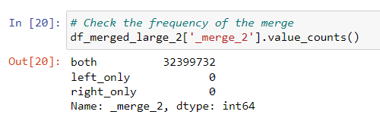

price_range_loc column

busiest_day column |  |  |  |  | based on frequency table:

busiest_days column |  |  |  |  | based on frequency table:

busiest_period_of_day column |  |  |  |  | based on frequency table:
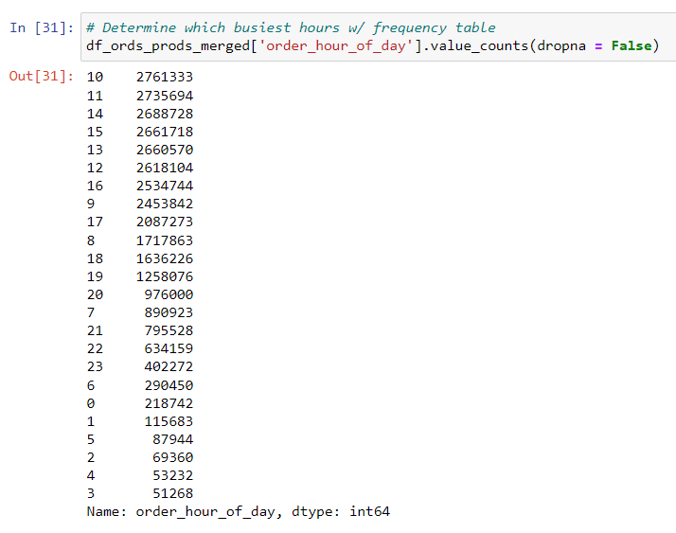

loyalty_flag column

spend_flag column

median_days_since_last_order column

Note: All values listed as "NaN" for "order_freq_flag" are associated with customer 159383. First orders are shown as "NaN" for field 'days_since_last_order' (since this field can't be calculated for the first order). Therefore, our 'order_freq_flag' can't be calculated, either. This customer (159383) is the only customer in the system that only has one order.

_merge_3 column

region

low_activity?

gen_flag

income_flag

food_bev?

6. Visualizations
 |  |  |  | Title page

Visualisations

In this tab you should include all the visualtions from Exercises 4.9 and 4.10, alongside the questions from the project brief that they answer. Include any commentary on the relationship between different variables.

KEY QUESTION 1
Script 4.9 Part 2 | What is the breakdown of orders by day of the week?
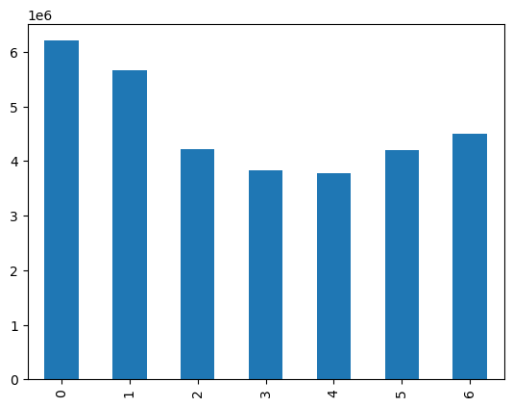

 |  |  | The x-axis represents the day of the week ('order_day_of_week').
 |  |  | The y-axis represnts the count (or frequency) of orders occuring for each day of the week.

 |  |  | The bar chart shows us that the busiest days of the week (the days with the most orders) are Saturday (order_day_of_week = 0) and Sunday (order_day_of_week = 6). The days with the fewest orders are Tuesday (order_day_of_week = 3) and Wednesday (order_day_of_week = 4).

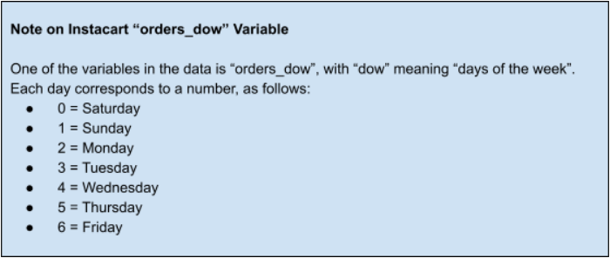

Script 4.9 Part 2 | What is the breakdown of orders by hour of the day?
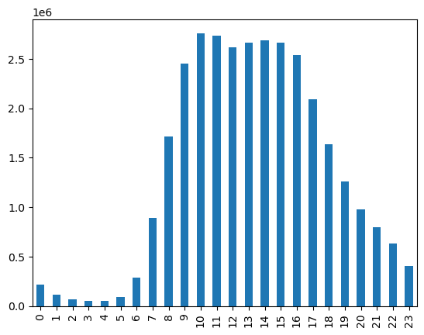
 |  |  | The x-axis represents the hour of the day ('order_hour_of_day').
 |  |  | The y-axis represents the count (or frequency) of orders occuring for each hour of the day.

 |  |  | The histogram shows that the least amount of orders occur between 11pm and 6am, while the most orders occur between 9am and 4pm. We previously defined our "busiest_period_of_day" as the following, and our histogram reflects this, as well:

 |  |  | Most Orders: 9-16 (9am, 10am, 11am, 12pm, 1pm, 2pm, 3pm, 4pm)
 |  |  | Average Orders: 7-8 (7am, 8am) and 17-22 (5pm, 6pm, 7pm, 8pm, 9pm 10pm)
 |  |  | Fewest Orders: 23-6 (11pm, 12am, 1am, 2am, 3am, 4am, 5am, 6am)

KEY QUESTION 2
Script 4.9 Part 2

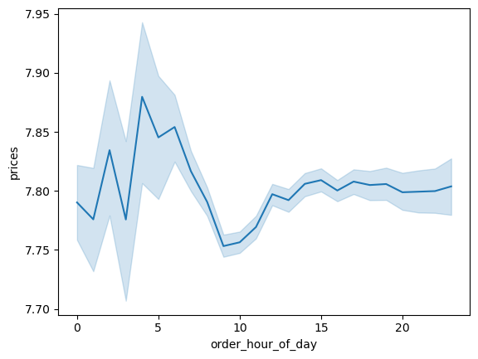
 |  |  | The x-axis represents the hour of the day orders are placed.
 |  |  | The y-axis represents the average price of products bought in a given hour of a day.

 |  |  | The blue line represents how prices differ depending on the hour of the day. The peaks on hour 4 and 6 mean that most money is spent in the morning at 4am and 6am.



 |  |  | Looking at the numbers behind the above graph, we can see that the top average product prices are being bought at 2am and between 4am and 7am. Below, we'll look more into the top 2 hours (4am and 6am) to see which departments are selling the most products at these times.

 | For the 4am hour:
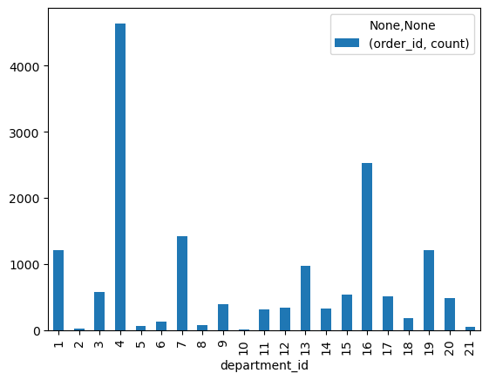
 |  |  | At 4am, department 4 and department 16 are selling the most items. These departments are produce and dairy eggs.

 | For the 6am hour:
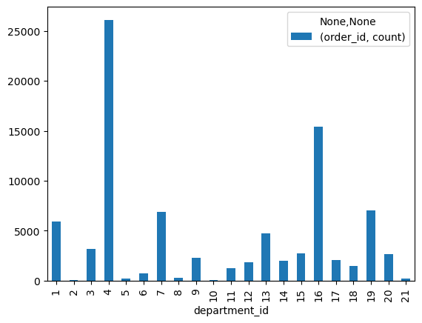
 |  |  | This is the same at the 6am hour, in that department 4 and department 16 are selling the most items. These departments are produce and dairy eggs.

KEY QUESTION 3
Script 4.9 Part 2 | What is the distribution of product prices?

 |  |  | The x-axis represents the prices of our products ('prices').
 |  |  | The y-axis represnts the count (or frequency) of a price point in our dataframe.

 |  |  | The histogram shows us that the price of most products falls between 1.00 and 15.00. There are fewer products that are priced between 15.00 and 25.00.

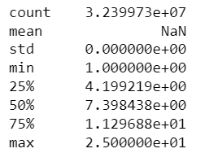

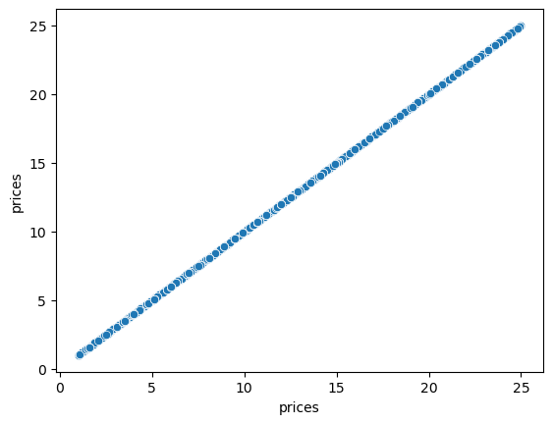
 |  |  | The x-axis and y-axis represents product prices ('prices').

 |  |  | Like the histogram above, the scatterplot shows us all the product prices represented in our dataset. This shows us that there are no price outliers in our data.

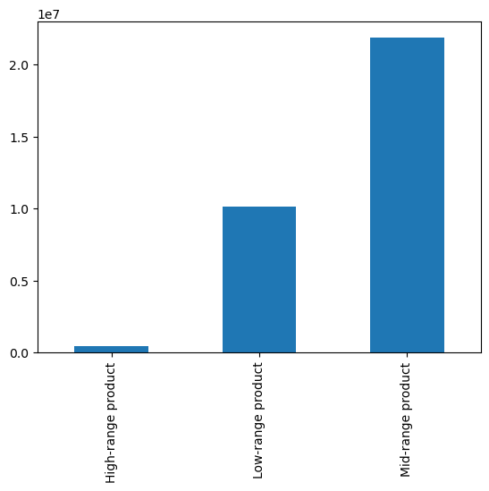

 |  |  | As a reminder, we've split the prices into the following categories with column "price_range_loc":
 |  |  | High-range product = product price is greater than 15
 |  |  | Mid-range product = product price is less than or equal to 15 and greater than 5
 |  |  | Low-range product = product price is greater than or equal to 5

 |  |  | High-range products make up 1% of Instacart's product offering, while mid-range products make up 67% and low-range products make up 31%.

 |  | 32399732
 |  | 67%
 |  | 31%
 |  | 1%

KEY QUESTION 4
Script 4.10 | Overview of departments by # of orders.

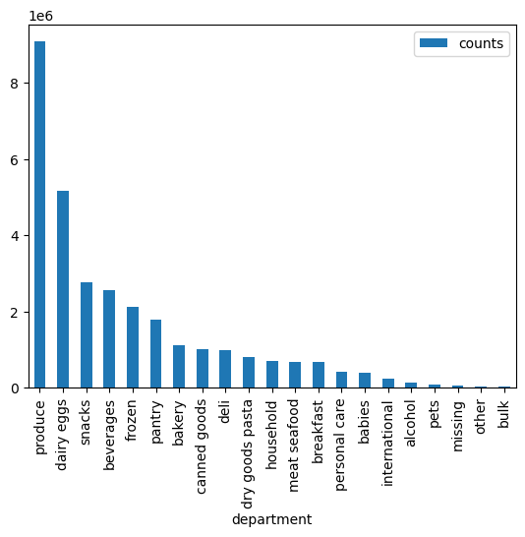
 |  |  | The x-axis represents departments.
 |  |  | The y-axis represnts the count (or frequency) of orders to a particular department.

 |  |  | The top 5 departments that have the highest frequency of product orders is as follows: 1. Produce 2. Dairy eggs 3. Snacks 4 Beverages 5. Frozen

KEY QUESTION 5
Script 4.10 | How often do customers return to Instacart?
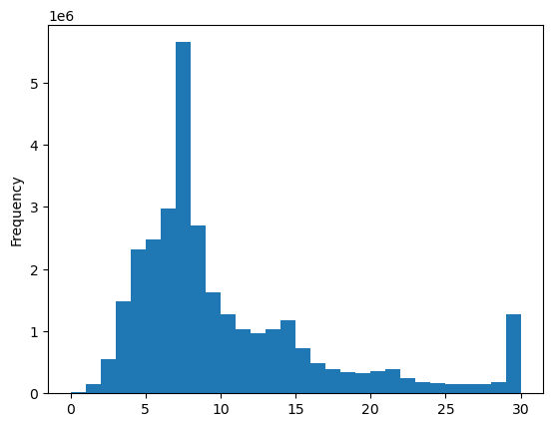

 |  |  | The x-axis represents the median number of days between customer orders.
 |  |  | The y-axis represents the count (or frequency) of how many times the median number occurs in the dataset.

 |  |  | Our frequency chart shows us that the number between customer orders ranges between 0 and 30 days.
 |  |  | To better understand this frequency, we've split this data up into three categories:
 |  |  | - Non-frequent customer = customers with a median days since last order as greater than 20 days - Regular customer = customers with a median days since last order as greater than 10 days and less than or equal to 20 days - Frequent customer = customers with a median days since last order as less than or equal to 10 days

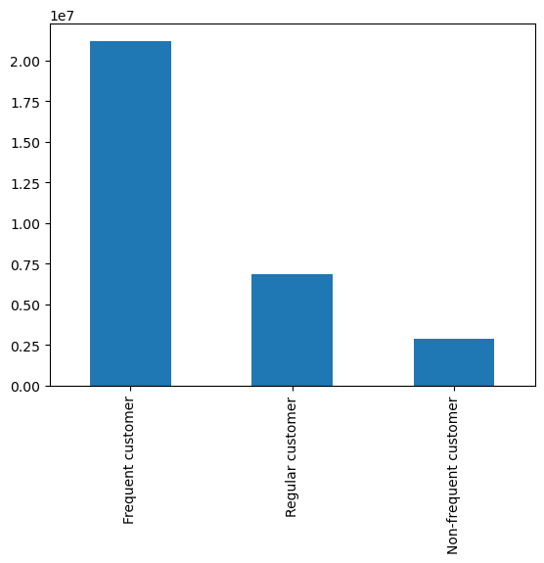

 |  |  | With this criteria, we can then visualize how many customers fall into each category. The bar chart to the left shows us that most customers are considered frequent customers (or the median days since their last order is typically less than or equal to 20 days).

 |  | 30959687
 |  | 68%
 |  | 22%
 |  | 9%

KEY QUESTION 6
Script 4.9 Part 2 | What is the breakdown of orders by customer loyalty?

 |  |  | Customer loyalty is defined by the following criteria:

 |  |  | Loyal customer = Customers with a max order of greater than 40
 |  |  | Regular customer = Customers with a max order of less than or equal to 40 and greater than 10
 |  |  | New customer = Customers with a max order of less than or equal to 10

 |  |  | Our bar chart shows us that regular customers have the most orders on record, followed by loyal customers in second. This tells us that there is a large pool of regular customers that have less orders/customer (between 10 and 40 orders / customer), and though loyal customers individually have more orders (> 40 / customer), there are less customers that fall into this category.

 |  | 32399732
 |  | 49%
 |  | 32%
 |  | 19%

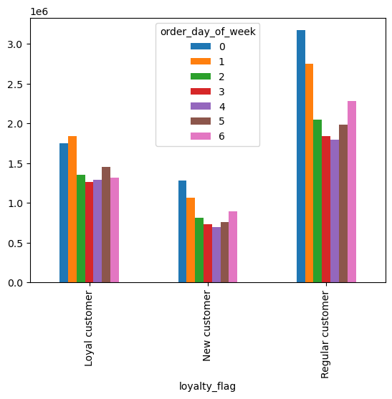

 |  |  | Comparing the loyalty category to the day of the week customers shop, the most popular day of the week for new customers and regular customers to place an order is on Saturday (order_day_of_week = 0). However, the most popular day of the week for loyal customers to place an order is on Sunday (order_day_of_week = 1).

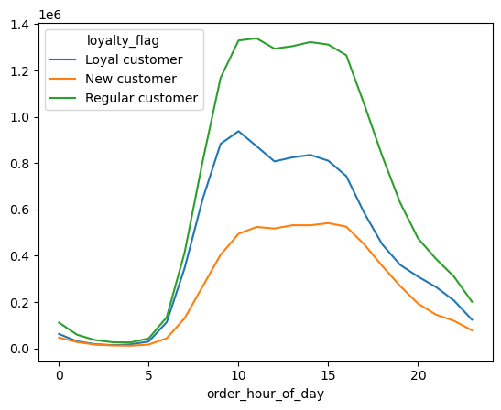

 |  |  | In regards to the most popular hour of the day to place an order based on customer loyalty: The most common hour for a regular customer to place an oder is 11am (order_hour_of_day =11), and the least common hour is 4am (order_hour_of_day=4). The most common hour for a loyal customer to place an order is 10am (order_hour_of_day = 10), and the least common hour is 3am (order_hour_of_day =3). The most common hour for a new customer to place an order is 3pm (order_hour_of_day = 15) , and the least common hour is 4am (order_hour_of_day=4).

KEY QUESTION 7
Script 4.10 | Are there differences in ordering habits based on a customer's region?

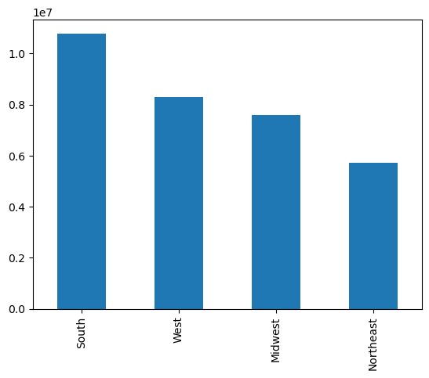

 |  |  | The U.S regions are broken down as follows:

 |  |  | South = includes the following 17 states Delaware, Maryland, District of Columbia, Virginia, West Virginia, North Carolina, South Carolina, Georgia, Florida, Kentucky, Tennessee, Mississippi, Alabama, Oklahoma, Texas, Arkansas, and Louisiana.
 |  |  | West = includes the following 13 states Idaho, Montana, Wyoming, Nevada, Utah, Colorado, Arizona, New Mexico, Alaska, Washington, Oregon, California, and Hawaii.
 |  |  | Midwest = includes the following 12 states Wisconsin, Michigan, Illinois, Indiana, Ohio, North Dakota, South Dakota, Nebraska, Kansas, Minnesota, Iowa, and Missouri.
 |  |  | Northeast = includes the following 9 states Maine, New Hampshire, Vermont, Massachusetts, Rhode Island, Connecticut, New York, Pennsylvania, and New Jersey

 |  |  | Our bar chart shows us that the region where most of our current customers reside is the South, followed by the West, Midwest, and Northeast.

 |  | 32399732
 |  | 33%
 |  | 26%
 |  | 23%
 |  | 18%

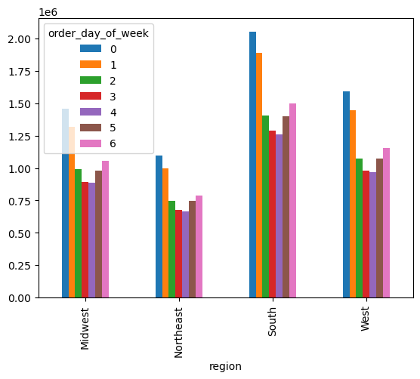
 |  |  | For all regions, the most popular day of the week to place an order is Saturday (order_day_of_week = 0), and the least popular day of the week to place an order is Wednesday (order_day_of_week = 4).

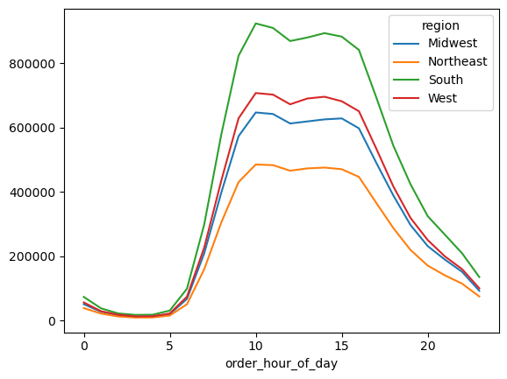
 |  |  | For all regions, the most popular hour of the day to place an order is 10am (order_hour_of_day = 10), and the least popular hour of the day to place an order is 3am (order_hour_of_day = 3).

KEY QUESTION 8
Script 4.10 | Is there a connection between age and family status in terms of ordering habits?

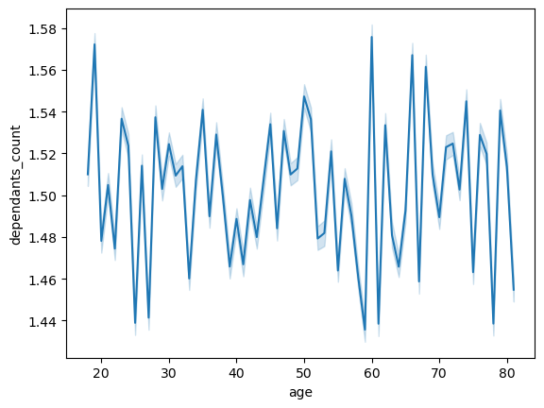
 |  |  | The x-axis represents age.
 |  |  | The y-axis represents the number of dependants.

 |  |  | For starters, we can plot age vs. the number of dependants to determine if there is a connection between our customers' ages and how many dependants that user has.

 |  |  | The blue line is showing the number of dependants by age of our customers. The line seems to be random, so we can infer that there's not a connection between age and family situation.

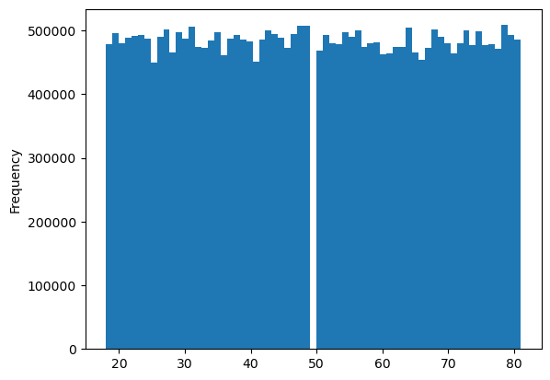
 |  |  | By plotting customer ages and the frequency that each age group places an order, we can see that it's hard to make conclusions based on an individual age year. Because of this, I've grouped the ages into 4 generational groups.

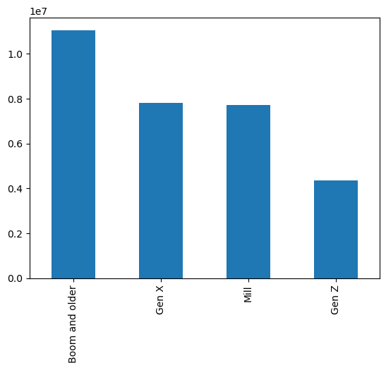

 |  |  | We can then group our users into four different categories based on age to help us understand their family status and ordering habits. Our four groups are as follows:
 |  |  | - Gen Z: This represents customers between the ages of 18 and 26.
 |  |  | - Millenial ('Mill'): This represents customers between the ages of 27 and 42.
 |  |  | - Gen Z: This represents customers between the ages of 43 and 58.
 |  |  | - Boomers and older ('Boom and older'): This represents customers between the ages of 59 and older.

 |  |  | A note about genertion grouping: Because the number of customers in each age year are relatively even (shown in the frequency chart above), the number of ages put into each generation will determine how big that generation is (in comparison to other generations). To illustrate this,
 |  |  | Our data represents 64 ages (i.e. ages 18 - 81)
 |  |  | - Gen Z represents 9 ages - or 14% of the age groups present in data.
 |  |  | - Millenials represents 16 ages - or 25% of the age groups present in data.
 |  |  | - Gen X represents 16 ages - or 25% of the age groups present in data.
 |  |  | - Boomers and older represent 23 ages - or 37% of the age groups present in data.

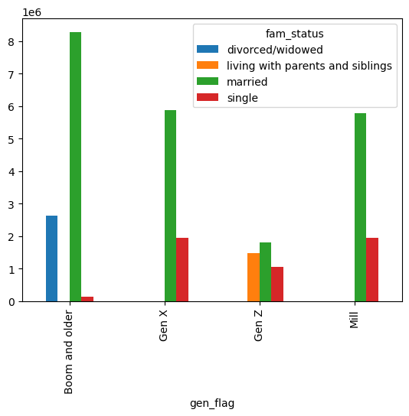
 |  |  | Using this classification, we can see the family status of our customers. With this, we can see that the generation/family status combination placing the most orders are customers who are older than 59 ('Boom and older') and are married.

 |  |  | In general, married customers are placing the most orders across all generations.

KEY QUESTION 9
Script 4.10 Part 3 | What different classifications does the demographic information suggest? Age? Income? Certain types of goods? Family status?

Note: Below are crosstab visuals for our two customer profiles (Income and Generation), as well as other demographic information (Region, Family Status, and Count of Dependants). In the commentary on these charts to the right, I've highlighted notable insights in blue.

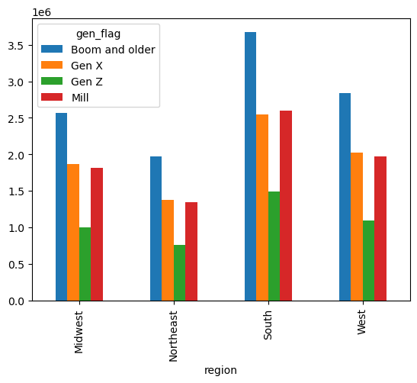
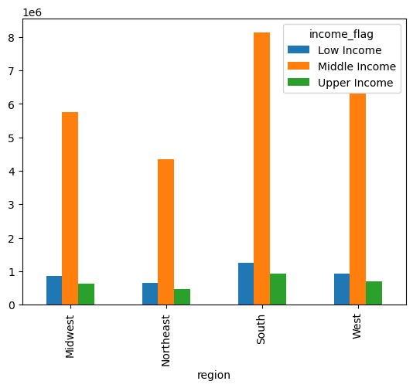
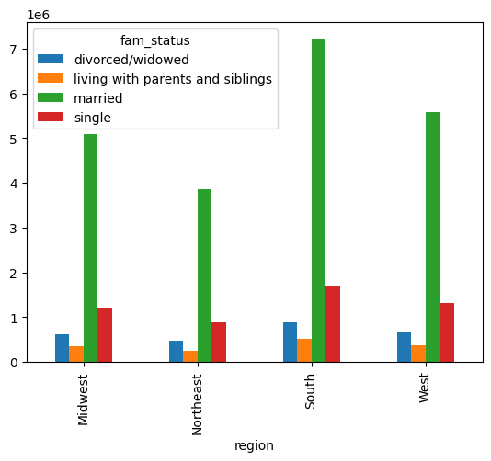
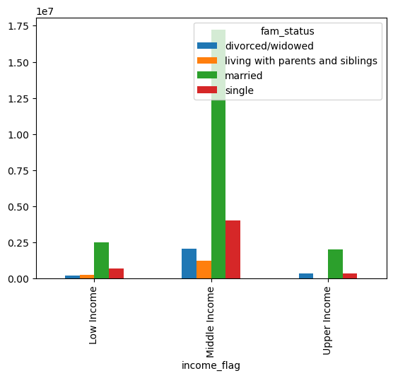
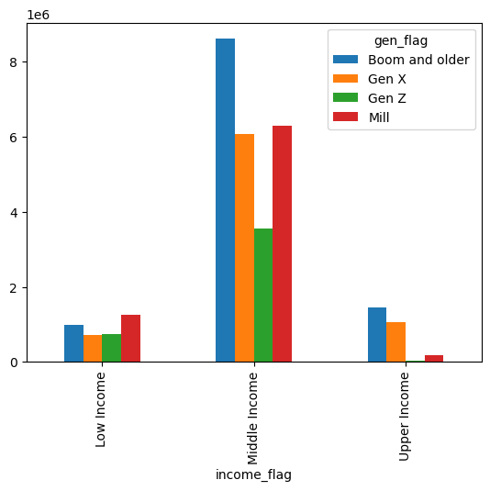
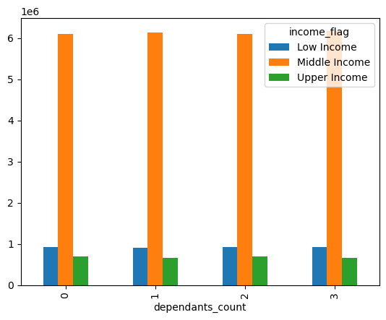
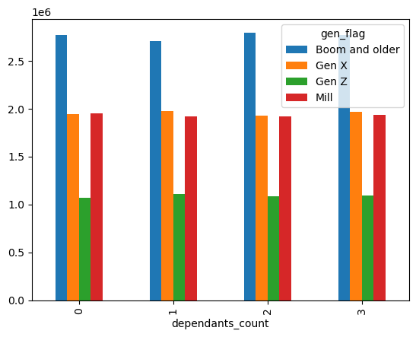
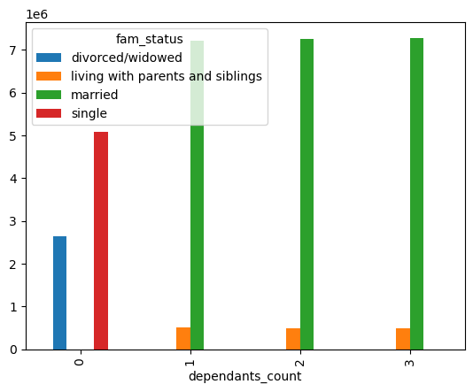
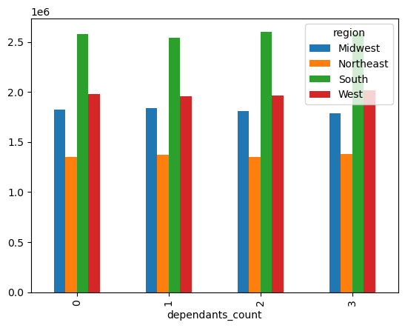
Region
Income
Generation
Income
Generation
Family Status
Family Status
Count of Dependants
a
b
c
d
e
f
g
h
i
j

- When it comes to income by region, all regions show that the majority of Instacart customers are middle income.
- Regarding generation by region, the number of customers in each region all follow the same order (Boomers make up the largest population, followed by Gen X, Millennials, then Gen Z). The only exception to this is that in the South, there are slightly more Millennials than Gen Xers.
- When it comes to family status by region, all regions follow the same order in that the customer base for each region is mostly married people, followed by single, divorced/widowed, and living with parents and siblings.
- Last, regarding the count of dependants by region, the customer base seems to be split (almost equally) between customers who have 0 children, 1, childe, 2 children, and 3 children.

- When it comes to income by generation, the younger generations (Gen Z and Millenial) are mostly in the low income and middle income categories. In the upper income category, the older generations (Gen X and Boomers +) look to have a high spending power, and Millennials are beginning to make up a small portion of this category, as well.
- Regarding income and family status, there are no customers in the "living with parents and siblings" status that are making an upper income. This makes sense, since this family status is made of the younger generations.
- Last, looking at income and count of dependants, the income customer base seems to be split (almost equally) between customers who have 0 children, 1, childe, 2 children, and 3 children..

- When it comes to family status and generation, Millenials and Gen Xers fall into either one of two categories: married or single. Gen Zers are either married, single, or living with parents/siblings. Boomers and older are either married, single, or widowed/divorce.
- Regarding count of dependants and generation, the generation customer base seems to be split (almost equally) between customers who have 0 children, 1, childe, 2 children, and 3 children.

- Last, looking at family status and count of dependants, it looks like there are no single parents represented in our customer base. Those who have 0 children are either single or divorced/widowed. On the other hand, those who have 1-3 children are either married or living with parents and siblings.

KEY QUESTION 10
Script 4.10 | What differences can you find in ordering habits of different customer profiles? Consider the price of orders, the frequency of orders, the products customers are ordering, and anything else you can think of.

 | Generation Profiles:
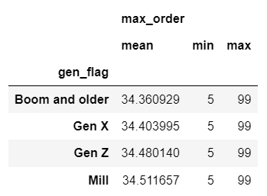
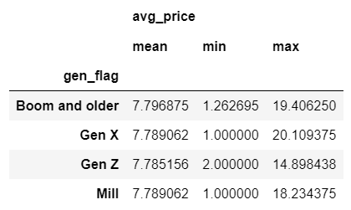
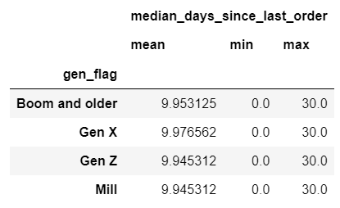
Our analysis of the variable "max_order" shows us that on average, Millennials have the highest number of orders (though all generations are between an average of 34.36 and 34.51).
Our analysis of the variable "avg_price" shows us that on average, Boomers pay a higher price for their products (note, all generations are between an average price of 7.79 and 7.80).
Our analysis of the variable "median_days_since_last_order" shows us that on average, Gen X has the most days since last order (9.98) while Gen Z and Millennials are tied for having the least amount of days between orders (9.95).

Gen Z:
Millennials:
Gen X:
Boomers+ :

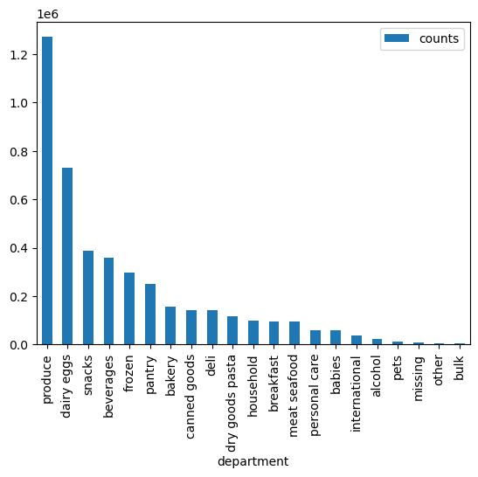
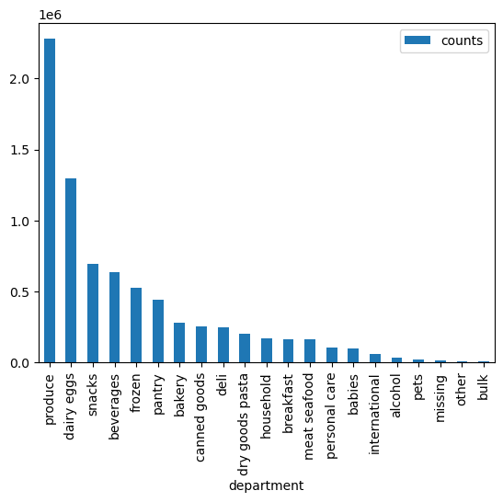

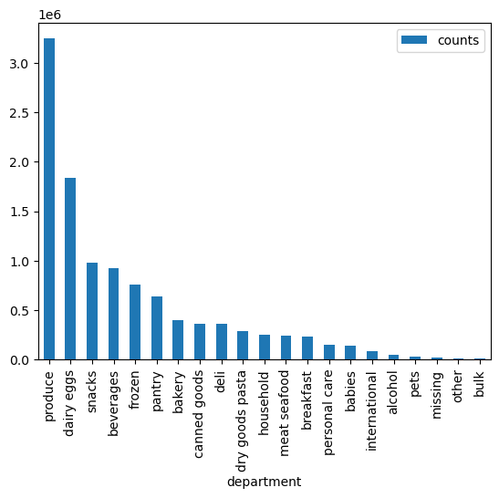
Across all generations, the departments produce, dairy eggs, snacks, beverage, and frozen account for the most orders.
Top Departments by Orders:

Across all generations, the top five products are the same - banana, bag of organic bananas, organic strawberries, organic baby spinach, and organic hass avocados.
Top Products by Orders:

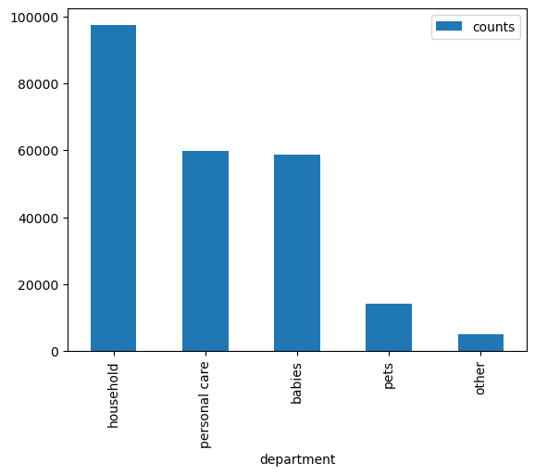
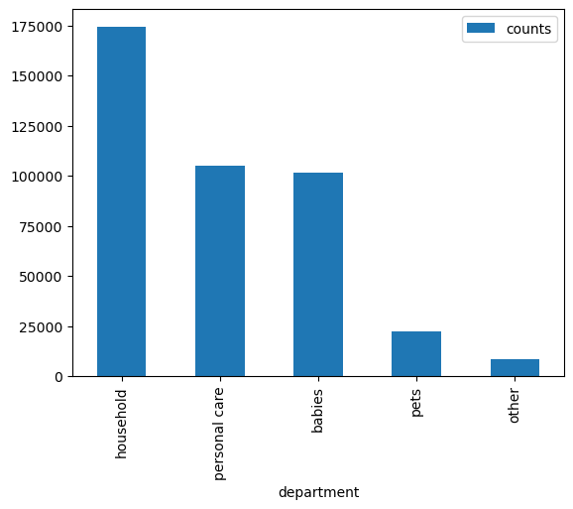

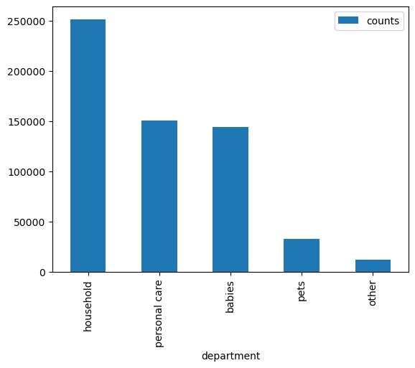
Across all generations, the departments non-food/bev departments are ranked in the same way (with household first, followed by personal care, babies, pets, and other).
Top non-food/bev Departments by Orders:

There is one slight difference with the Millennial group for top products in the non-food/bev analysis. Millennials have a 2nd baby food in their top 5 and they do not include "Natural Free & Clear Dish Liquid."
Top non-food/bev Products by Orders:

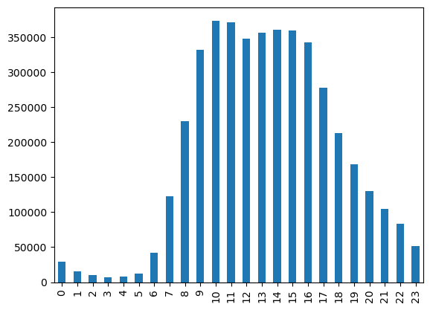

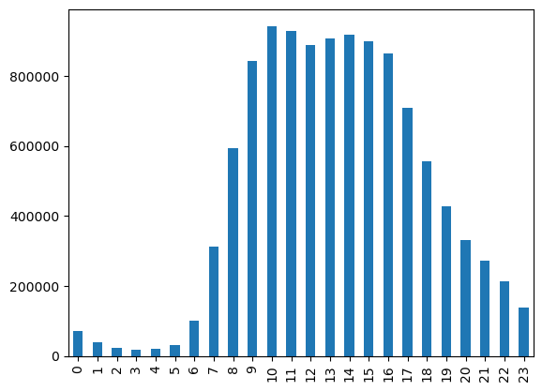

Most Popular Time for Orders:
Across all generations, the most popular time to place an order is 10am, and the least popular time to place an order is 3am.

Most Popular Day for Orders:
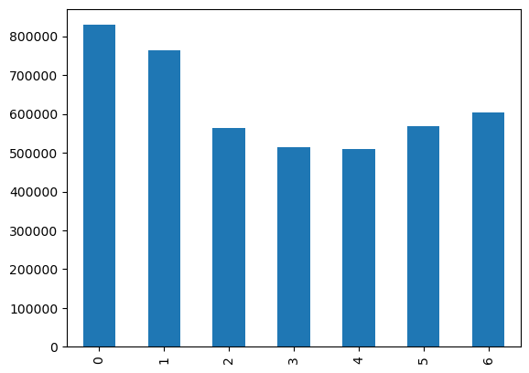
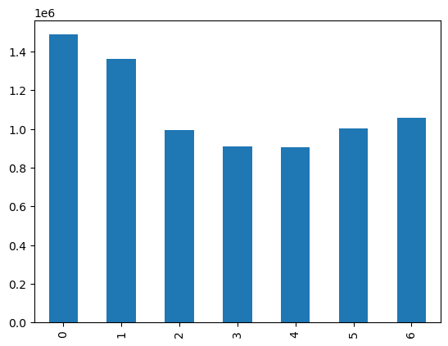
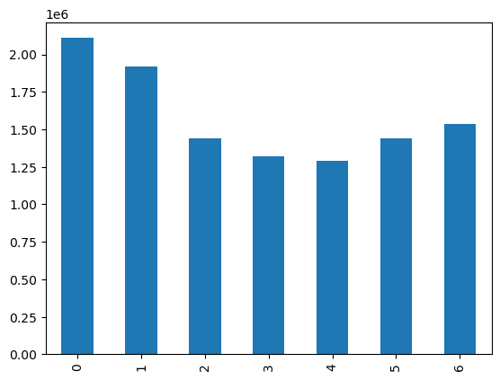
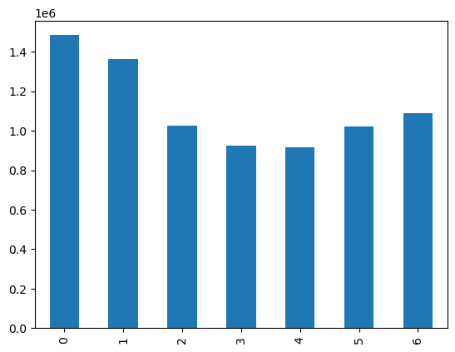
Across all generations, the most popular day to place an order is Saturday, and the least popular day to place an order is Wednesday.

 | Income Profiles:

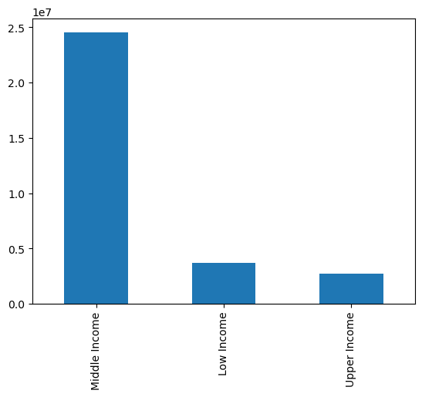
As a reminder, our income profile breakdowns are as follows:
- Low Income = income is less than our equal to $52,200
- Middle Income = income is greater than $52,200 and less than or equal to $156,600
- Upper Income = income is greater than $156,600
With this analysis, we've found that most customers fall into the "middle income" category (79% of customers), followed by the "low income" category (12%) and "upper income" category (9%).
Our descriptive stats show us that the minimum income for all customers is $25,903.00, and the maximum income is $593,901.00. It also validates that our income_flag column was correctly implemented.

 |  | 30959687
 |  | 79%
 |  | 12%
 |  | 9%

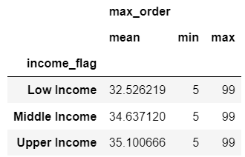
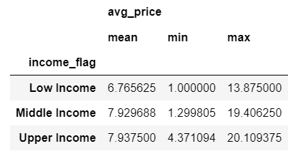


Our analysis of the variable "max_order" shows us that on average, upper income customers have the highest number of orders with an average of 35.10 orders. Low income customers have on average almost 2.5 less deliveries compared to upper income customers.
Our analysis of the variable "avg_price" shows us that on average, upper income cusotmers pay a higher price for their products ($7.94). The middle income group is not too far behind with an average of $7.93, however the low income group pays an average of $6.77 per product with is $1.16 difference from the middle and upper income groups.
Our analysis of the variable "median_days_since_last_order" shows us that on average, the upper income group has the least number of days since their last order (9.77 days). The low income group waits longer between their deliveries with a median of 10.48 days.


The x-axis represents the day of the week the order took place ('order_day_of_week).
The y-axis represents the average price of the product bought on that particular day of the week.
The colors represent the income group the customers that are paying that average price fall into.
With this visualization, we can see that low income customers are more apt to spend a higher average amount than they usually do per product on Saturday (order_day_of_week = 0) and Friday (order_day_of_week = 6). Alternatively, middle and upper income users consistently pay the same price regardless of day of week (though there are slight flunctuations).
This also illustrates how middle and upper income customers spend more per item on average while low income customers pay a lower amount per product on average.

Additional Insights A
Script 4.9 Part 2 | What is the development of product prices across the days of the week?

 |  |  | The x-axis represents the day of the week the order took place ('order_day_of_week).
 |  |  | The y-axis represents the average price of the product bought on that particular day of the week.

 |  |  | The blue line represents how prices differ depending on the day of the week. The peaks on days zero and five mean that most money is spent on Saturday and Sunday.

Additional Insights B
Script 4.9 Part 2

 |  |  | The x-axis represents income
 |  |  | The y-axis represents the number of times that income occurs in the data (frequency).

 |  |  | With this histogram, we can see that there is a large drop off of customers when we hit around the $160,000 mark.


 |  |  | The x-axis represents
 |  |  | The y-axis represents

 |  |  | The scatterplot shows us each customer age vs. the income each customer earns.

 |  |  | From ages 20-40, most customers make between 25,903 (min value) and ~200,000, while there are a few customers in this age range that make up to ~400,000.
 |  |  | From ages 40 - 80, most customers make between 25,903 (min value) and ~300,000, while there are a few customers in this age range that make up to ~600,000.

 |  |  | This tells us that spending power increases around the age of 40.

7. Recommendations
 |  |  | Title page

Recommendations

In this tab you should include any recommendations you would made to Instcart in terms of their marketing strategy based on the questions posed in the brief. Every key question has been covered in the Tasks of the Exercises - here you need to add an item - a visualisation or table/crosstable that is showing the answer in the data, acompanied by a comment from you. Please, list the questions below and add the answer underneath.

Key Questions: |  | Recommendations:
1 | What is the busiest day of the week and busiest hours of the day? (i.e. the days and times with the most orders) When are the fewest orders? | The busiest days of the week are Saturday and Sunday. Conversely, the least busy days of the week are Tuesday and Wednesday, and the least busy hours of the day are from 11pm - 6am. The sales team can use this information about the days and times with the fewest orders to schedule ad times.
2 | Are there particular times of the day when people spend the most money? | By looking at the average order product price compared to the hour of the day, we discovered that 4am and 6am are the times of day when people will spend the most money on a product. Looking further into these two hours (4am and 6am), we can see that the departments that contribute to the most orders at these times are produce and dairy eggs. We can continue our analysis for this question by hypothesizing why users are buying more expensive products at this time and how each department contributes to this higher product price average. We can then use this information to help to direct our advertisements at these hours.
3 | Overview of product prices. | We've defined high-range products as products greater than $15, mid-range products as products less than our equal to $15 and greater than $5, and low-range products as products less than or equal to $5. Our analysis shows us that 67% of our products are mid-range products, 31% of our products are low-range products, and 1% of our products are high-range products.
4 | Are there certain types of products that are more popular than others? | The top 5 departments that have the highest frequency of product orders is as follows: 1. Produce 2. Dairy eggs 3. Snacks 4 Beverages 5. Frozen This information can support marketing and sales teams efforts to understand customer preferences and buying habits.
5 | What's the distribution among users in regards to their brand loyalty? (i.e. how often do they return to Instacart?) | 68% of customers are considered frequent customers (ie. the median days since their last order is typically less than or equal to 10 days). 22% of customers are considered regular customers (ie. the median days since their last order is greater than 10 days or less than or equal to 20 days). The remaining 9% of customers are considered non-frequent customers (ie. the median days since their last order is greater than 20 days).
6 | Are there differences in ordering habits based on a customer's loyalty status? | 49% of customers are considered regular customers (ie. they have had more than 10 or less than or equal to 40 orders with Instacart). 32% of customers are considered loyal customers (ie. they have had more than 40 orders with Instacart). The remaining 19% of customers are considered new customers (ie. they have had less than or equal to 10 orders). Comparing the loyalty category to the day of the week customers shop, it looks like the most popular day of the week for new customers and regular customers to place an order is on Saturday (order_day_of_week = 0). However, the most popular day of the week for loyal customers to place an order is on Sunday (order_day_of_week = 1). The hour of the day that is most popular to make an order also varies by loyalty status. For regular customers, the most popular hour is 11am. For loyal customers, the most popular hous is 10am. For new customers, the most popular hour is 3pm.
7 | Are there differences in ordering habits based on a customer's region? | Our analysis shows us that the region where most of our current customers reside is the South (33% of users), followed by the West (26%), Midwest (23%), and Northeast (18%). There does not seem to be a difference in ordering habits based on customer region (in regards to what day of the week and what hour of the day customers place orders). For all regions, the most popular day of the week to place an order is Saturday, and the least popular day of the week to place an order is Wednesday. For all regions, the most popular hour of the day to place an order is 10am, and the least popular hour of the day to place an order is 3am.
8 | Is there a connection between age and family status in terms of ordering habits? | Speaking of customers' ages in terms of the generation they belong to, we've found that: - Gen Z customers are either living with their parents and siblings, married, or single - Millennials and Gen X are either married or single - Boomers are either divorced/widowed, married, or single For each generation, the family status of married accounts for the group placing the most orders with Instacart.
9 | What different classifications does the demographic information suggest? Age? Income? Certain types of goods? Family status? | The demographic data has lended way for us to create two main customer profiles: a generation profile, and an income profile. The generation profile shows us that most orders are being placed by the boomer and older generation (>59 years of age). This could be because this is the generation that still has the largest population (it accounts for 23 ages, or 37% of ages that have spending power). Regardless, we can learn more about this generation and their spending habits. For example, this is the only generation that has divorced/widowed family status. In addition, this generation still buys products from the baby department which could indicate that this generation could be playing a role in their grandchildren's lives. This is interesting because there are no customers in our database who have one or more children and are classified as single. All users who have one or more children are either married or living with their parents and siblings. In regards to our income profiling, 79% of our customers are considered to making a "middle income" (or between $52,200 and $156,600). 12% of our customers are making a "low income" (less than $52,200) and 9% of our customers are making a "high income" (greater than $156,600). This pattern of high vs. middle vs. low incomes is the same across all regions. When it comes to comparing family status to income, for married customers, single customers, and customers living with their parents/siblings, most customers are middle income customers, while few customers are middle or high income customers. For those who are divorced or widowed (remember, this is only our boomer generation) middle income still makes up the majority of this group, but the number of high income customers in this group surpasses the number of low income customers. In regards to regions, the South makes up the largest customer base (followed by the West, Midwest, then Northeast). This could be due to the number of states that make up each of these
10 | What differences can you find in ordering habits of different customer profiles? Consider the price of orders, the frequency of orders, the products customers are ordering, and anything else you can think of. | For ordering habits, we analyzed - the total number of orders each customer has had to understand customer loyalty, - the median days between each order for each customer to understand the frequency at which customers place orders, and - the average price customers spend per product to understand how much customers typically spend on their products. When looking at these metrics for our generation profiles, we found that - Millennials have the highest number of orders on average (though all generations are between an average number of orders of 34.36 and 34.51), - Boomers pay a higher price for their products (note, all generations are between an average price of 7.79 and 7.80), and - Gen X has the most days since last order (9.98) while Gen Z and Millennials are tied for having the least amount of days between orders (9.95). Millennials having the highest number of orders is interesting, since we know that the boomer generation makes up the most number of customers. Because of this, it may be worthwhile to gear advertising towards the millennial generation. Also, it makes sense that boomers are more apt to pay a higher price since this is the generation that has an higher earning power (ie. they make up a large portion of those who are in the upper income category). Last, Gen X having the most days since their last order could indicate that a Gen Xer may be stocking up on groceries more or supplementing their orders with in person grocery shopping. When looking at these metrics for our income profiles, the results have a higher variation between categories. We found that: - Upper income customers have the highest number of orders with an average of 35.10 orders. Low income customers have on average almost 2.5 less deliveries compared to upper income customers. - Upper income cusotmers pay a higher price for their products ($7.94). The middle income group is not too far behind with an average of $7.93, however the low income group pays an aver

Recommendations and Suggested Next Steps
In addition to the analysis done above, the following recommendations and suggestetd next steps are intended to address stakeholder interests.
In regards to improving our targeting for ad campaigns:
1. Ad campaigns can be improved by placing target ads at times when there are the fewest orders - Tuesday and Wednesday, and in general, between the hours of 11pm and 6am.
2. People tend to spend money on pricier items in the mornings, so ads for more expensive items can be placed at this time.
3. Produce, dairy eggs, snacks, beverages, and frozen foods are the most popular departments across all generations. This tells us that people are using Instacart for their daily needs (as opposed to, for example, impulse late night snacks). This should be taken into consideration for marketing and sales strategies.
In regards to which part of our offering has the lowest market share:
As stated, it seems as though users are returning to Instacart for their daily needs. Looking at the other side of this, for all generations, the least amount of orders are containing products from the following departments: personal care, babies, international, pets, alcohol, and bulk. It may be worthwhile to understand the competitve landscape for these areas. For example, are customers getting their personal care, baby and pet needs somewhere else? What other grocery stores (such as international stores, alchol stores, or bulk stores like Costco) are people shopping at and does Instacart offer services for those grocery shops?
In regards to customers wanting to receive ads, promotions, and recommendations that are relevant to the products they order regularly
Across all generations, 4 of the top 5 products customers buy are organic. It may be beneficial to create ads for users based on this information. Also, recognizing that higher income users are more likely to have a shorter amount of time between their orders, it would be interesting to see if there are membership or delivery promotions that we can gear towards the middle and low income groups to encourage more frequent orders by empahsizing the convenience of Instacart.

